Sheet2
Film | Column1 | Column12 | Column2 | Column3 | Column4 | Column5 | Column6 | Column7
nr #1 | 0 | IsHardcore | The nucleus Question | answer | 70 | 60
nr #1 | 1 | 0 | … is the science of how three tiny particles come together to form everything. | Chemistry
nr #1 | 2 | 0 | Everything is made from …. | atoms
nr #1 | 3 | 0 | A … is a well-tested set of ideas that explains many disparate observations. | theory
nr #1 | 4 | 0 | A theory is a …-… set of ideas that explains many disparate observations. | well-tested
nr #1 | 5 | 1 | … (name) mathematically proved the existance of atoms in 1905. | Einstein
nr #1 | 6 | 1 | Einstein mathematically proved the existance of atoms in …. | 1905
nr #1 | 7 | 0 | Brownian motion is the … motion of particles. | random
nr #1 | 8 | 0 | … motion is the random motion of particles. | Brownian
nr #1 | 9 | 0 | Every ... is made up of three subatomic particles. | atom
nr #1 | 10 | 0 | Every atom is made up of ... subatomic particles. | three
nr #1 | 11 | 0 | Protons are a kind of … particles. | subatomic
nr #1 | 12 | 0 | Neutrons are a kind of … particles. | subatomic
nr #1 | 13 | 0 | Electrons are a kind of … particles. | subatomic
nr #1 | 14 | 0 | ... are heavy and positively charged subatomic particles. | Protons
nr #1 | 15 | 0 | Protons are heavy and ... charged subatomic particles. | positively
nr #1 | 16 | 0 | Neutrons are the size of protons but …. | neutral
nr #1 | 17 | 0 | … are the size of protons but neutral. | Neutrons
nr #1 | 18 | 0 | The … has nearly no mass and is negatively charged. | electron
nr #1 | 19 | 0 | The electron has nearly no … and is negatively charged. | mass
nr #1 | 20 | 0 | The … has the same amount of opposite charge as the proton. | electron
nr #1 | 21 | 1 | The electron is … times less massive than the proton or neutron. | 1800
nr #1 | 22 | 0 | Protons and neutrons are located in the …. | nucleus
nr #1 | 23 | 0 | Protons and neutrons are also called …. | nucleons
nr #1 | 24 | 0 | The particles within the nucleus are called …. | nucleons
nr #1 | 25 | 0 | Electrons are located … the nucleus. | around
nr #1 | 26 | 0 | The number of … in an atom determines what element it is. | protons
nr #1 | 27 | 0 | The number of protons in an atom determines what … it is. | element
nr #1 | 28 | 0 | The number of protons in the nucleus is the … number of an element. | atomic
nr #1 | 29 | 0 | The atomic number of an element is the number of … in its nucleus. | protons
nr #1 | 30 | 0 | The atomic number is located in the … left corner of the box in the periodic table. | top
nr #1 | 31 | 1 | "Nuclei" is plural for …. | nucleus
nr #1 | 32 | 0 | Nuclei are thousands of times smaller than the …. | atom
nr #1 | 33 | 0 | The … nuclear force is one of the four fundamental forces of physics. | strong
nr #1 | 34 | 0 | The strong nuclear force is the … of the fundamental forces of physics. | strongest
nr #1 | 35 | 0 | The nucleus is held together by the … … …. | strong nuclear force
nr #1 | 36 | 0 | The strong nuclear force holds the … together. | nucleus
nr #1 | 37 | 0 | … can jump from atom to atom when it's convenient. | Electrons
nr #1 | 38 | 0 | … space protons out correctly within the nucleus. | Neutrons
nr #1 | 39 | 0 | The number of … does not change with the relative atomic mass of a given element. | protons
nr #1 | 40 | 0 | The number of … changes with the relative atomic mass of a given element. | neutrons
nr #1 | 41 | 0 | The … … ... is the average of the sum of protons and neutrons of a given element on Earth. | relative atomic mass
nr #1 | 42 | 0 | Isotopes are atoms of an element differing in the number of …. | neutrons
nr #1 | 43 | 0 | … are atoms of an element differing in the number of neutrons. | isotopes
nr #1 | 44 | 0 | Isotopes have the same chemical …. | properties
nr #1 | 45 | 1 | "…" means "same place" | isotope
nr #1 | 46 | 0 | Isotopes have different … …. | mass numbers
nr #1 | 47 | 0 | … have different mass numbers but the same atomic number. | Isotopes
nr #1 | 48 | 0 | The mass number is the total number of … in the nucleus. | nucleons
nr #1 | 49 | 0 | The … … is the total number of nucleons in the nucleus. | mass number
nr #1 | 50 | 0 | The propertities of an atom depend on the arrangement of the … particles. | subatomic
nr #1 | 51 | 0 | The … of an atom depend on the arrangement of the subatomic particles. | properties
nr #1 | 52 | 0 | The electron has nearly no mass and is … charged. | negatively
nr #10 | 0 | 0 | Redox reactions Question | answer | 50 | 40
nr #10 | 1 | 0 | Redox reactions involve the transfer of …. | electrons
nr #10 | 2 | 0 | … reactions involve the transfer of electrons. | redox
nr #10 | 3 | 0 | Reduction is when a substance … electrons. | gains
nr #10 | 4 | 0 | … is when a substance gains electrons. | Reduction
nr #10 | 5 | 0 | Reduction is when a substance gains …. | electrons
nr #10 | 6 | 0 | Oxidation is when a substance looses …. | electrons
nr #10 | 7 | 0 | … is when a substance looses electrons. | oxidation
nr #10 | 8 | 1 | Oxygen is the quintessential …. | oxidizer
nr #10 | 9 | 0 | Oxidation and reduction are all about … transfer. | electron
nr #10 | 10 | 0 | OILRIG - OIL stands for: … is … of …. | oxidation is loss of electrons
nr #10 | 11 | 0 | OILRIG - RIG stands for … is … of ….. | reduction is gain of electrons
nr #10 | 12 | 0 | Covalent bonds involve … of electrons. | sharing
nr #10 | 13 | 0 | … bonds invlove sharing of electrons between atoms. | covalent
nr #10 | 14 | 0 | Covalent compounds share …. | electrons
nr #10 | 15 | 0 | Oxidation state is also called the oxidation …. | number
nr #10 | 16 | 0 | Oxidation number is also called the oxidation …. | state
nr #10 | 17 | 0 | The oxidation state describes the status of … electrons in a covalent compound. | shared
nr #10 | 18 | 0 | The … … describes the statues of shared electrons in a covalent compound. | oxidation state/number
nr #10 | 19 | 0 | The oxidation number is the value of an atom's charge if it was an …. | ion
nr #10 | 20 | 0 | The oxidation number for any element by itself is always …. | zero
nr #10 | 21 | 0 | The oxidation number for a monoatomic ion is equal to its …. | charge
nr #10 | 22 | 0 | Oxygen almost always has an oxidation number of … …. | -2
nr #10 | 23 | 0 | Hydrogen has an oxidation state of … | 1
nr #10 | 24 | 0 | Fluorine has an oxidation state of …. | -1
nr #10 | 25 | 0 | Most of the halogens have the same oxidation state as …. | fluorine
nr #10 | 26 | 0 | The most common oxidation state for most halogens is …. | -1
nr #10 | 27 | 0 | All oxidation numbers in a neutral compound will always add up to …. | zero
nr #10 | 28 | 0 | A polyatomic ion has an oxidation state that matches its …. | charge
nr #10 | 30 | 1 | An … in organic chemistry is a symbol for some organic group of atoms. | R
nr #10 | 31 | 1 | The functional group of aldehydes is … | CHO
nr #10 | 33 | 0 | … … are assigned to atoms to track what happens to their electrons in reactions. | Oxidation numbers
nr #10 | 34 | 0 | Oxidation numbers are assigned to atoms to track what happens to their ... in reactions. | electrons
nr #10 | 35 | 0 | Oxygen has an oxidation number od … when in peroxides. | -1
nr #10 | 36 | 1 | The Haber process removes stable elemental nitrogen from the air and combines it with hydrogen to form …. | ammonia
nr #10 | 37 | 1 | The … process removes stable elemental nitrogen from the air and combines it with hydrogen to form ammonia. | Haber
nr #10 | 38 | 1 | The Haber process is used for making bombs and …. | fertilizer
nr #10 | 39 | 0 | … reactions are used to determine oxidation states for particular compounds in more complicated reactions. | Half
nr #11 | 0 | 0 | How To Speak Chemistrian Question | answer | 50 | 45
nr #11 | 1 | 0 | Different nomenclature rules in chemistry depend on the … being described. | element
nr #11 | 2 | 0 | … ions are formed from single atoms. | Monoatomic
nr #11 | 3 | 0 | Ions are written using the element symbol and writing the charge as a …. | superscript
nr #11 | 4 | 0 | … are written using the element symbol and writing the charge as a superscript. | Ions
nr #11 | 5 | 0 | If the charge of an ion is just of a single electron lost or gained you don't need to write the …. | one
nr #11 | 6 | 0 | Cations are named using the name of the … followed by the word "ion". | element
nr #11 | 7 | 0 | … are named using the name of the element followed by the word "ion". | Cations
nr #11 | 8 | 0 | Anions are named using a special suffix "…". | ide
nr #11 | 9 | 0 | … are named using a special suffix "ide". | ide
nr #11 | 10 | 0 | Naming ionic compounds, we say the … first and the … second. | cation first, anion second
nr #11 | 11 | 0 | Alkali metals and alkaline earth metals form ions when reacting with …-…. | non-metals
nr #11 | 12 | 0 | Alkali metals and alkaline earth metals form … when reacting with non-metals. | cations
nr #11 | 13 | 0 | Halogens, sulphur, oxygen, and nitrogen gain electrons forming …. | anions
nr #11 | 14 | 0 | … numerals are used to distinguish the different ions of one element. | Roman
nr #11 | 15 | 0 | When writing the charge of a transition metal ion the Roman numerals are placed in … with no space between the cation. | parentheses
nr #11 | 16 | 0 | Acids are … compounds. | ionic
nr #11 | 17 | 0 | Hydrogen ions from acids become …. | cations
nr #11 | 18 | 0 | All acids are made up of one or more hydrogen bound to an …. | anion
nr #11 | 19 | 0 | All anions that end in "-ate" form acids that end in "-…". | ic
nr #11 | 20 | 0 | All anions that end in "-…" form acids that end in "-ic". | ate
nr #11 | 21 | 0 | The "-"ous" suffix means "… …". | less than
nr #11 | 22 | 0 | All ions ending in "-ite" form acids that end in "-…" | ous
nr #11 | 23 | 0 | … is Greek for "less than" or "under". | hypo
nr #11 | 24 | 0 | The prefix "…-" is latin for "very" or "thoroughly". | per
nr #11 | 25 | 0 | When an acid has the highest number of oxygens possible it is named with the "…-" prefix. | per
nr #11 | 26 | 0 | When an acid has no oxygens it is named using the prefix "…-". | hydro
nr #11 | 27 | 1 | Fill in the missing prefix/suffix of the acid and its anion according to naming conventions. | per-/-ic
nr #11 | 28 | 1 | Fill in the missing prefix/suffix of the acid and its anion according to naming conventions. | -ic
nr #11 | 29 | 1 | Fill in the missing prefix/suffix of the acid and its anion according to naming conventions. | -ous
nr #11 | 30 | 1 | Fill in the missing prefix/suffix of the acid and its anion according to naming conventions. | hypo-/-ous
nr #11 | 31 | 1 | Fill in the missing prefix/suffix of the acid and its anion according to naming conventions. | hydro-/-ic
nr #11 | 32 | 1 | Fill in the missing prefix/suffix of the acid and its anion according to naming conventions. | per-/ate-
nr #11 | 33 | 1 | Fill in the missing prefix/suffix of the acid and its anion according to naming conventions. | -ate
nr #11 | 34 | 1 | Fill in the missing prefix/suffix of the acid and its anion according to naming conventions. | -ite
nr #11 | 35 | 1 | Fill in the missing prefix/suffix of the acid and its anion according to naming conventions. | hypo-/-ite
nr #11 | 36 | 1 | Fill in the missing prefix/suffix of the acid and its anion according to naming conventions. | -ide
nr #11 | 37 | 1 | Many of the … metals can form different ions. | transition
nr #11 | 38 | 1 | Many of the transition metals can form different …. | ions
nr #12 | 0 | 0 | The Ideal Gas Law | answer | 50 | 35
nr #12 | 1 | 0 | The pressure-volume relationship states that pressure*volume=…. | constant
nr #12 | 2 | 0 | The pressure-volume relationship states that pressure*…=constant. | volume
nr #12 | 3 | 0 | The pressure-volume relationship states that …*volume=constant. | pressure
nr #12 | 4 | 0 | The pressure-volume relationship is valid at constant …. | temperature
nr #12 | 5 | 0 | The pressure-volume relationship is called … Law. | Boyle's
nr #12 | 6 | 0 | Jacques Charles discoverd that volume/temperature=… at a stable pressure. | constant
nr #12 | 7 | 0 | Amadeo Avogadro discoverd that volume/amount of moles=… at stable pressure and temperature. | constant
nr #12 | 8 | 0 | The … … Law states that: PV=nRT | Ideal Gas
nr #12 | 9 | 0 | The Ideal Gas Law states that: …V=nRT. | P, Pressure
nr #12 | 10 | 0 | The Ideal Gas Law states that: P…=nRT. | V, Volume
nr #12 | 11 | 0 | The Ideal Gas Law states that: PV=…RT. | n, number of moles
nr #12 | 12 | 0 | The Ideal Gas Law states that: PV=n…T. | R, gas constant
nr #12 | 13 | 0 | The Ideal Gas Law states that: PV=nR…. | T, temperature [K]
nr #12 | 14 | 0 | … describes how molecules bounce against each other. | Pressure
nr #12 | 15 | 0 | The SI unit of pressure is …. | N/m2, Pa
nr #12 | 16 | 0 | The SI unit of pressure N/m2 is also known as …. | Pascal
nr #12 | 17 | 0 | One atmosphere (atm) is the pressure on Earth measured at the … …. | sea level
nr #12 | 18 | 0 | 101325 Pascals is equal to … atm. | 1
nr #12 | 19 | 0 | 1 atm is approximately… kPa | 100
nr #12 | 20 | 0 | 100 kPa is approximately 1 …. | atm
nr #12 | 21 | 0 | … is the amount of space particles have to exist inside of. | Volume
nr #12 | 22 | 0 | The Universal Gas Constant symbol is …. | R
nr #12 | 23 | 0 | R is the symbol for the … … …. | Universal Gas Constant
nr #12 | 24 | 1 | The Universal Gas Constant is equal to … [LkPa/Kmol] | 8.3145
nr #12 | 25 | 0 | Temperature at the atomic level is described as … energy. | kinetic
nr #12 | 26 | 0 | STP stands for … … and …. | standard temperature and pressure
nr #12 | 27 | 0 | STP is equal to … kPa and 0 °C. | 100
nr #12 | 28 | 0 | STP is equal to 100 kPa and …°C. | 0
nr #12 | 29 | 0 | One mole of any ideal gas takes up a volume of … L at STP. | 22.4
nr #12 | 30 | 0 | … mole of any ideal gas takes up a volume of 22.4 L at STP. | 1, one
nr #12 | 31 | 0 | Aboslute zero is the temperature at which all … of particles stops. | movement
nr #12 | 32 | 0 | Abosolute zero is the temperature at which all movement of particles …. | stops
nr #12 | 33 | 0 | … … is the temperature at which all movement of particles stops. | Absolute zero
nr #12 | 34 | 0 | Absolute zero is equal to … K or -273.15 °C. | 0
nr #12 | 35 | 0 | Absolute zero is equal to 0 K or …°C. | -273.15
nr #13 | 0 | 0 | The Ideal Gas problems | answer | 30 | 20
nr #13 | 1 | 1 | The Universal Gas Constant was calculated by …. | Dmitri Mendeleev
nr #13 | 2 | 0 | The Ideal Gas Law works perfectly only when gases behave …. | ideally
nr #13 | 3 | 0 | An ideal gas is when particles that do not take up too much space and are not … to each other. | attracted
nr #13 | 4 | 0 | An … gas is when particles that do not take up too much space and ar not attracted to each other. | ideal
nr #13 | 5 | 0 | Gases are not ideal under … pressure, low temperature or high density. | high
nr #13 | 6 | 0 | Gases are not ideal under high pressure, ... temperature or high density. | low
nr #13 | 7 | 0 | Gases are not ideal under high pressure, low temperature or … density. | high
nr #13 | 8 | 0 | Johannes van der … corrected the ideal gas equation. | Waals
nr #13 | 9 | 0 | Sudden increase in pressure results in extreme increase in …. | temperature
nr #13 | 10 | 0 | Sudden increase in … results in extreme increase in temperature. | pressure
nr #14 | 0 | 0 | Real gases | answer | 40 | 25
nr #14 | 1 | 0 | Joahnnes van der … figured out corrections of the ideal gas law. | Waals
nr #14 | 2 | 0 | The … … … Equation explains why gases do not always behave ideally. | van der Waals
nr #14 | 3 | 0 | The van der Waals Equation explains why gases do not always behave …. | ideally
nr #14 | 4 | 0 | The van der Waals Equation depends on the existance and interactions of …. | molecules
nr #14 | 5 | 0 | Gas molecules deduct from the available … within a closed container they are in. | space
nr #14 | 6 | 0 | Volume in van der Waals Equation is corrected by … (number) values. | two
nr #14 | 7 | 0 | Volume in van der Waals Equation is corrected by the constant b and …. | n, number of moles
nr #14 | 8 | 0 | The constant … in van der Waals Equation is determined experimentally. | b
nr #14 | 9 | 0 | Constant b in van der Waals Equation is determined … for each gas. | experimentally
nr #14 | 10 | 0 | Constant b is different for every …. | gas
nr #14 | 11 | 0 | Van der Waals Equation corrects for the volume by subtracting the … taken up by gas molecules from the total volume of the container. | volume
nr #14 | 12 | 0 | Particles in gases are … to each other. | attracted
nr #14 | 13 | 0 | Crowded gas particles tend to stick … together causing a decrease in the internal pressure. | closer
nr #14 | 14 | 0 | Crowded gas particles tend to stick closer together causing a … in the internal pressure. | decrease
nr #14 | 15 | 0 | Van der Waals Equation corrects for the decrease in … resulting from intermolecular attractions. | pressure
nr #14 | 16 | 0 | Van der Waals Equation corrects for the decrease in pressure resulting from … attractions. | intermolecular
nr #14 | 17 | 0 | … in van der Waals equation is corrected by the constant a. | Pressure
nr #14 | 19 | 0 | The constant a is determined …. | experimentally
nr #14 | 20 | 0 | The degree of … between gas molecules determines the value of a. | attraction
nr #14 | 21 | 0 | Write down the van der Waals Equation.
nr #14 | 22 | 0 | The pressure correction factor in van der Waals equation is the constant …. | a
nr #14 | 23 | 0 | The …. correction factor in van der Waals equation is the constant a. | pressure
nr #14 | 24 | 0 | The volume correction factor in van der Waals equation is the constant …. | b
nr #14 | 25 | 0 | The … correction factor in van der Waals equation is the constant b. | volume
nr #15 | 0 | 0 | Partial pressures & vapor | answer | 40 | 20
nr #15 | 1 | 0 | The Law of … Proportions says that elements combine in simple whole number ratios of their masses. | Multiple
nr #15 | 2 | 0 | The Law of Multiple Proportions says that … combine in simple whole number ratios of their masses. | elements
nr #15 | 3 | 0 | The Law of Multiple Proportions says that elements combine in simple whole number ratios of their …. | masses
nr #15 | 4 | 0 | The Law of … Pressures is valid for gases that do not react chemically. | Partial
nr #15 | 5 | 0 | The Law of Partial Pressures states that the … pressure exerted by a mixutre of gases is equal to the sum of the pressures that indiviudal gases would exert if they were alone. | total
nr #15 | 6 | 0 | The Law of Partial Pressures states that the total pressure exerted by a mixutre of gases is equal to the … of the pressures that indiviudal gases would exert if they were alone. | sum
nr #15 | 7 | 0 | The Law of Partial Pressures states that the total pressure exerted by a mixutre of gases is equal to the sum of the pressures that … gases would exert if they were alone. | individual
nr #15 | 8 | 0 | Write the equation for the Law of Partial Pressures. | Ptotal=P1+P2+P3+…+Pn
nr #15 | 9 | 0 | The … is the ratio of moles of indiviudal gases in a mixture to the total number of moles. | mole fraction
nr #15 | 10 | 0 | The mole fraction is the ratio of moles of … gases in a mixture to the total number of moles. | indiviudal
nr #15 | 11 | 0 | The mole fraction is the ratio of moles of indiviudal gases in a mixture to the … number of moles. | total
nr #15 | 12 | 0 | The molar fraction symbol is …. | χ (Greek letter chi)
nr #15 | 13 | 0 | Give the equation for the mole fraction of a single gas in a mixture of gases.
nr #15 | 14 | 0 | The number of … in a gas is directly related to the pressure the gas exerts. | moles
nr #15 | 15 | 0 | The number of moles in a gas is directly related to the … the gas exerts. | pressure
nr #15 | 16 | 0 | Collecting a gas over water is the process of … a gas through a column of water to trap the gas at the end of the column. | bubbling
nr #15 | 17 | 0 | Water constantly produces a gaseous water …. | vapor
nr #16 | 0 | 0 | Passing gases | answer | 45 | 30
nr #16 | 1 | 0 | Gases can be considered a collection of atoms or molecules that act … as a system. | together
nr #16 | 2 | 0 | Gases can be considered a collection of atoms or molecules that act together as a … | system
nr #16 | 3 | 0 | The … velocity is the overall speed and direction of a body, such as a sample of gas. | net
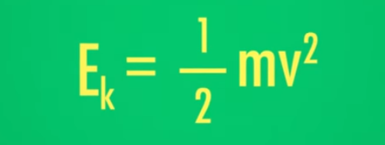
nr #16 | 4 | 0 | The net velocity is the overall … and direction of a body, such as a sample of gas. | speed
nr #16 | 5 | 0 | The net velocity is the overall speed and … of a body, such as a sample of gas. | direction
nr #16 | 6 | 0 | The … velocity is the statistical mean of the velocities of individual particles in a body, like atoms or molecules of a gas. | average
nr #16 | 7 | 0 | The average velocity is the statistical … of the velocities of individual particles in a body, like atoms or molecules of a gas. | mean
nr #16 | 8 | 0 | The average velocity is the statistical mean of the velocities of individual … in a body, like atoms or molecules of a gas. | particles
nr #16 | 9 | 0 | The … velocity of a gas in any direction will always be lower than the … velocity of its molecules. | net, average
nr #16 | 10 | 0 | … is an expression of the average kinetic energy of the particles in a system. | Temperature
nr #16 | 11 | 0 | Temperature is an expression of the average … energy of the particles in a system. | kinetic
nr #16 | 12 | 0 | Temperature is an expression of the average kinetic energy of the … in a system. | particles
nr #16 | 13 | 0 | Give the formula for the kinetic energy.
nr #16 | 14 | 0 | Changes to kinetic energy are directly linked to changes in …. | velocity
nr #16 | 15 | 0 | … masses move more slowly than smaller masses that have the same kinetic energy. | Bigger
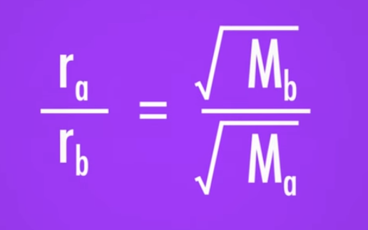
nr #16 | 16 | 0 | Bigger masses move more slowly than smaller masses that have the same ... energy. | kinetic
nr #16 | 17 | 0 | Bigger masses move more … than smaller masses that have the same kinetic energy. | slowly
nr #16 | 18 | 0 | Effusion is the passage of a gas through a tiny … in a barrier. | orifice
nr #16 | 19 | 0 | … is the passage of a gas through a tiny orifice in a barrier. | Effusion
nr #16 | 20 | 0 | The rate of effusion r descirbes how fast gases pass through a …. | barrier
nr #16 | 21 | 0 | Effusion does not measure the … gases travel. | distance
nr #16 | 22 | 0 | The velocity of a gas is not equal to …, r. | Effusion
nr #16 | 23 | 0 | Graham's Law of Effusion … the effusion rates of different gases. | compares
nr #16 | 24 | 1 | Give the equation for Graham's Law of Effusion.
nr #16 | 25 | 1 | Give the equation for the rate of effusion. | r=n/t or r=V/t
nr #16 | 26 | 0 | Gases which move freely move according to the … …. | concentration gradient
nr #16 | 27 | 0 | Gases which move freely move from region of … to region of … concentration. | high, low
nr #16 | 28 | 0 | A concentration gradient is a … change in concentration of some substance over a given distance. | gradual
nr #16 | 29 | 0 | A concentration gradient is a gradual change in … of some substance over a given distance. | concentration
nr #16 | 30 | 0 | A concentration gradient is a gradual change in concentration of some substance over a given …. | distance
nr #16 | 31 | 0 | Gases disperse … in the available space. | evenly
nr #16 | 32 | 0 | … is the process of a substance spreading out into less concentrated regions. | Diffusion
nr #16 | 33 | 0 | Diffusion is the process of a substance spreading out into … concentrated regions. | less
nr #16 | 34 | 0 | Diffusion results in a an … distributed substance. | evenly
nr #16 | 35 | 0 | … ends when a substance is evenly distributed in the available space. | Diffusion
nr #16 | 36 | 0 | Diffusion is the result of completely … movement. | free
nr #16 | 37 | 1 | Ammonia and hydrochloric acid react to form …. | ammonium chloride
nr #16 | 38 | 1 | Ammonium chloride is a… (state) at room temperature. | solid
nr #16 | 39 | 1 | Ammonia and hydrochloric acid reaction is a … reaction between gases. | precipitation
nr #16 | 40 | 0 | Graham's Law is only an … when applied to diffusion. | estimate
nr #16 | 41 | 0 | Kinetic energy describes the relationship between particle's velocity and its …. | mass
nr #16 | 42 | 0 | Kinetic energy describes the relationship between particle's … and its mass. | velocity
nr #16 | 43 | 0 | Graham's Law is only an estimate when applied to …. | diffusion
nr #17 | 0 | 0 | Energy & chemistry | answer | 65 | 40
nr #17 | 1 | 0 | Thanks to Einstein, we know that mass and … are the same thing. | energy
nr #17 | 2 | 1 | There are … types of energy. | several
nr #17 | 3 | 0 | Anything warmer than … … has thermal energy. | absolute zero
nr #17 | 4 | 0 | Anything warmer than absolute zero has … energy. | thermal
nr #17 | 5 | 0 | Chemical energy is stored in the … between atoms. | bonds
nr #17 | 6 | 0 | … energy is stored in the bonds between atoms. | Chemical
nr #17 | 7 | 0 | … energy is energy contained within a system because of its position. | Potential
nr #17 | 8 | 0 | It is … to create energy. | impossible
nr #17 | 9 | 0 | The … law of thermodynamics is known as the law of conservation of energy. | first
nr #17 | 10 | 0 | The first law of thermodynamics states that … cannot be created nor destroyed. | energy
nr #17 | 11 | 0 | The … law of thermodynamics states that energy cannot be created nor destroyed. | first
nr #17 | 12 | 0 | The amount of energy in the universe is …. | constant
nr #17 | 13 | 0 | … the science studying heat, energy and the ability of energy to do work. | Thermodynamics
nr #17 | 14 | 0 | … is the capacity to do work or produce heat. | Energy
nr #17 | 15 | 0 | Energy is the capacity to do … or produce heat. | work
nr #17 | 16 | 0 | Energy is the capacity to do work or produce …. | heat
nr #17 | 17 | 0 | In physics and chemistry, work is when a force acts on something, causing it to …. | move
nr #17 | 18 | 0 | Work requires … of an object. | movement
nr #17 | 19 | 0 | Work can be represented by the symbol …. | w (lowercase)
nr #17 | 20 | 0 | Heat is the … of energy through thermal interactions. | transfer
nr #17 | 21 | 0 | Heat is the transfer of energy through … interactions. | thermal
nr #17 | 23 | 0 | Energy can be either … or it can be exchanged through heat. | work
nr #17 | 24 | 0 | Energy can be either work or it can be exchanged through …. | heat
nr #17 | 25 | 0 | The most common symbol for heat is …. | q (lowercase)
nr #17 | 27 | 0 | In thermodynamics, the universe is divided into the … that is being studied and the surroundings. | system
nr #17 | 28 | 0 | The … allow the amount of energy in the system to change. | surroundings
nr #17 | 29 | 0 | The surroundings allow the … of energy in the system to change. | amount
nr #17 | 30 | 0 | The surroundings allow the amount of … in the system to change. | energy
nr #17 | 31 | 0 | Every system has an … energy. | internal
nr #17 | 32 | 0 | The internal energy of a system is the sum of that system's … and … energy. | kinetic, potential
nr #17 | 33 | 0 | The internal energy of a system is represented by the letter …. | E (capital)
nr #17 | 34 | 0 | The … energy of a system is represented by a capital letter "E". | internal
nr #17 | 35 | 0 | The symbol … is used to represent change in chemistry and physics. | Δ, Greek letter delta
nr #17 | 36 | 0 | ΔE represents the change in … of the system. | energy
nr #17 | 37 | 0 | The change in energy of a system is equal to the heat plus the …. | work
nr #17 | 38 | 0 | The change in energy of a system is equal to the … plus the work. | heat
nr #17 | 39 | 0 | The change in energy of a system is equal to the heat … the work. | plus
nr #17 | 40 | 0 | Give the equation for ΔE. | ΔE=q+w
nr #17 | 41 | 0 | When ΔE is positve the system is … energy. | gaining
nr #17 | 42 | 0 | When ΔE is negative the system is … energy. | loosing
nr #17 | 43 | 0 | ΔE is … when work is done on the system or heat is transfered to the system. | positive
nr #17 | 44 | 0 | E is positive when work is done … the system or heat is transferred TO the system. | ON
nr #17 | 45 | 0 | ΔE is positive when work is done ON the system or heat is transferred ... the system. | TO
nr #17 | 46 | 0 | ΔE is … when work is done BY the system or heat is transferred FROM the system. | negative
nr #17 | 47 | 0 | ΔE is negative when work is done … the system or heat is transferred FROM the system. | BY
nr #17 | 48 | 0 | ΔE is negative when work is done BY the system or heat is transferred … the system. | FROM
nr #17 | 49 | 0 | Chemical energy is a kind of … energy stored in the position of particles in the molecule. | potential
nr #17 | 50 | 0 | Burning is a … reaction, releasing heat from a system. | exothermic
nr #17 | 51 | 0 | Exothermic reactions result in heat flow … of the system. | out
nr #17 | 52 | 0 | … reactions result in heat flowing into the system. | Endothermic
nr #17 | 53 | 0 | … reactions result in heat flowing out of the system. | Exothermic
nr #17 | 54 | 0 | Endothermic reactions result in heat flowing … the system. | into
nr #18 | 0 | 0 | Enthalpy | answer | 60 | 40
nr #18 | 1 | 0 | Work is the energy transferred to the motion of …. | objects
nr #18 | 2 | 0 | … is the energy transferred to the motion of objects. | Work
nr #18 | 3 | 0 | Heat is the energy transferred to the motion of … and …. | atoms, molecules
nr #18 | 4 | 0 | … is the energy transferred to the motion of atoms and molecules. | Heat
nr #18 | 5 | 0 | Heat and work are … dependent. | pathway
nr #18 | 6 | 0 | The change in energy is … of the pathway. | independent
nr #18 | 7 | 0 | A state function is a property that is pathway …. | independent
nr #18 | 8 | 0 | A … function is a property that is pathway independent. | state
nr #18 | 9 | 0 | Enthalpy is represented by …. | H (capital letter)
nr #18 | 10 | 1 | Give the formula for enthalpy. | H=E+PV
nr #18 | 11 | 0 | The total enthalpy of a system is … to measure. | impossible
nr #18 | 13 | 1 | Give the formula for enthalpy as change in enthalpy at constant pressure. | ΔH=q+w+PΔV
nr #18 | 14 | 1 | Give the formula where change in enthalpy is equal to heat gained or lost by the system. | ΔH=q
nr #18 | 15 | 0 | Useful energy contained in any chemical compound can be measured by the change in temperature during chemical …. | reactions
nr #18 | 16 | 0 | Useful energy contained in any chemical compound can be measured by the change in … during chemical reactions. | temperature
nr #18 | 18 | 0 | … during chemical reactions is released to or taken from the environment as heat. | Energy
nr #18 | 19 | 0 | Energy during chemical reactions is released to or taken from the … as heat. | environment
nr #18 | 20 | 0 | Energy during chemical reactions is released to or taken from the environment as …. | heat
nr #18 | 21 | 0 | … allows us to measure how much energy bonds have. | Enthalpy
nr #18 | 24 | 1 | Hess's law led to the first law of …. | thermodynamics
nr #18 | 25 | 0 | Hess's law says that the total enthalpy change for a reaction doesn't depend on the … it takes. | pathway
nr #18 | 26 | 0 | Hess's law says that the total enthalpy change depends only on its … and … states. | initial, final
nr #18 | 27 | 0 | A standard state is a set of criteria that allow chemists to study reactions under the same …. | conditions
nr #18 | 28 | 0 | The standard state temperature is …. | 25°C/ 278.15K
nr #18 | 29 | 0 | The standard state pressure is …. | 1 atm/103.25kPa
nr #18 | 30 | 0 | … enthalpy of formation is the amount of heat lost or gained when one mole of a compound is formed from its constitutent elements. | Standard
nr #18 | 31 | 0 | Standard enthalpy of formation is the amount of … lost or gained when one mole of a compound is formed from its constitutent elements. | heat
nr #18 | 32 | 0 | Standard enthalpy of formation is the amount of heat lost or gained when … (amount) mole of a compound is formed from its constitutent elements. | one
nr #18 | 33 | 0 | The standard enthalpy of formation is represented by the symbol …. | ΔHf0
nr #18 | 34 | 0 | The standard enthalpy is measured at the … state. | standard
nr #18 | 35 | 0 | The baseline for standard enthalpy are the most … states of individual elements. | stable
nr #18 | 36 | 0 | The enthalpy change for a reaction is … to the sum of the enthalpy of formation of all the products minus the sum of the enthalpy of formation of all the reactants. | equal
nr #18 | 37 | 0 | The enthalpy change for a reaction is equal to the sum of the enthalpy of formation of all the products … the sum of the enthalpy of formation of all the reactants. | minus
nr #18 | 38 | 1 | Give the formula for Hess's Law.
nr #18 | 39 | 0 | The Greek letter … is the symbol for "the sum of." | Σ (Greek capital letter sigma)
nr #18 | 40 | 0 | A negative value of ΔH means that a reaction is …. | exothermic
nr #18 | 41 | 0 | A positive value of ΔH means that a reaction is …. | endothermic
nr #19 | 0 | 0 | Calorimetry | answer | 35 | 25
nr #19 | 1 | 0 | The reaction between HCl and NaOH is a … reaction. | neutrilization
nr #2 | 0 | 0 | Unit conversion Question | answer | 60 | 70
nr #2 | 1 | 0 | What does IPK stand for? | International Prototype Kilogram
nr #2 | 2 | 0 | … stands for the International Prototype Kilogram. | IPK
nr #2 | 3 | 0 | The … is the exemplar for every kilogram in the world. | IPK
nr #2 | 4 | 0 | A … is defined as being the same mass as the IPK. | kilogram
nr #2 | 5 | 1 | The International System of Units only includes … base units. | 7
nr #2 | 6 | 0 | All units are ... from the 7 base units in the International System of Units. | derived
nr #2 | 7 | 0 | What is the unit of speed? | m/s
nr #2 | 8 | 0 | What is the unit of acceleration? | m/s2
nr #2 | 9 | 0 | What is the unit of force?
nr #2 | 10 | 0 | What is the unit of work?
nr #2 | 11 | 0 | What is the unit of power?
nr #2 | 12 | 0 | What is the SI unit for length? | meter=m
nr #2 | 13 | 0 | What is the SI unit for mass? | kilogram=kg
nr #2 | 14 | 0 | What is the SI unit for time? | second=s
nr #2 | 15 | 0 | What is the SI unit for electric current? | Ampere=A
nr #2 | 16 | 0 | What is the SI unit for temperature? | Kelvin=K
nr #2 | 18 | 1 | The only standard base unit derived from an actual value is a …. | second
nr #2 | 19 | 0 | A second is derived from the time it takes Earth to … a single time. | rotate
nr #2 | 20 | 0 | There are … types of numbers in experimental calculations. | two
nr #2 | 21 | 0 | Exact and … numbers are used in experimental calculations. | measured
nr #2 | 22 | 0 | … and measured numbers are used in experimental calculations. | exact
nr #2 | 23 | 0 | … numbers are like the number of seconds in a minute or the number of eggs in a dozen. | exact
nr #2 | 24 | 0 | … numbers are difined and are known to an infinite number of decimal places. | exact
nr #2 | 25 | 0 | … numbers are never known at the same level of precision as the exact numbers. | measured
nr #2 | 26 | 0 | … numbers are like the speed of a car on a speedometer, known to two decimal places. | measured
nr #2 | 27 | 0 | Measured numbers give information on the … measured and its precision. | number
nr #2 | 28 | 0 | Measured numbers give information on the number measured and its …. | precision
nr #2 | 30 | 0 | You never know the value of a measured number out to … decimal places. | infinite
nr #2 | 31 | 0 | You never know the value of a … number out to infinite decimal places. | measured
nr #2 | 32 | 0 | … figures help with calculations on measured numbers. | Significant
nr #2 | 33 | 0 | Significant figures describe the … of measured numbers. | precision
nr #2 | 34 | 0 | … … describe the precision of measured numbers. | Significant figures
nr #2 | 35 | 0 | Significant figures are digits in your number that you …. | know
nr #2 | 36 | 0 | … figures are digits in your number that you know. | Significant
nr #2 | 37 | 0 | Scientific notation helps display … figures. | significant
nr #2 | 38 | 0 | … notation helps display significant figures. | Scientific
nr #2 | 39 | 0 | The value of the … tells you how many places to move the decimal point. | exponent
nr #2 | 40 | 0 | The value of the exponent tells you how many place to move the … point. | decimal
nr #2 | 41 | 0 | For a … exponent you move the decimal point to the left. | negative
nr #2 | 42 | 0 | For a negative exponent you move the decimal point …. | to the left
nr #2 | 43 | 0 | For a positive exponent you move the decimal point …. | to the right
nr #2 | 44 | 0 | For a … exponent you move the decimal point right. | negative
nr #2 | 45 | 0 | When adding/subtracting, your result has as many sig figs as the number with the … figures after a decimal point. | fewest
nr #2 | 46 | 0 | In multiplication there are as many sig figs in your result as there are in the least … measurement. | precise
nr #20 | 0 | 0 | Entropy | answer | 60 | 45
nr #20 | 1 | 0 | The … law of thermodynamics says that any spotaneous process increases the disorder of the universe. | second
nr #20 | 2 | 0 | Molecules always move towards a … energy state. | lower
nr #20 | 3 | 0 | The second law of thermodynamics says that any spotaneous process … the disorder of the universe. | increases
nr #20 | 4 | 0 | The act of putting one system in order requires that other system to become more …. | disordered
nr #20 | 5 | 0 | … is a measure of molecular randomness, or disorder. | Entropy
nr #20 | 6 | 0 | Entropy is a measure of … randomness, or disorder. | molecular
nr #20 | 7 | 0 | A spontaneous process does not require ... to keep it going. | energy
nr #20 | 8 | 0 | A … process does not require energy to keep it going. | spontaneous
nr #20 | 9 | 0 | Entropy is like enthalpy - a … function. | state
nr #20 | 10 | 0 | Entropy does not depend on the … the system took to reach its current state. | pathway
nr #20 | 11 | 1 | The change in entropy can be calculated by subtracting the sum of the … entropy values from the sum of the product entropy values. | reactant
nr #20 | 12 | 1 | The change in entropy can be calculated by subtracting the sum of the reactantentropy values from the sum of the … entropy values. | product
nr #20 | 13 | 1 | The … in entropy can be calculated by subtracting the sum of the reactant entropy values from the sum of the product entropy values. | change
nr #20 | 15 | 1 | The formula for the change in entropy is ….
nr #20 | 16 | 0 | The symbol for entropy is …. | S (capital letter)
nr #20 | 17 | 0 | Unlike with enthalpy, we know the … entropy values for individual reactants and products. | absolute
nr #20 | 18 | 0 | … explains why reactions happen spontaneously in nature. | Entropy
nr #20 | 19 | 1 | Barium hydroxide reacts with ammonium chloride readily in … form. | solid
nr #20 | 20 | 1 | The spontaneous reaction between barium hydroxide and ammonium chloride is strongly …. | endothermic
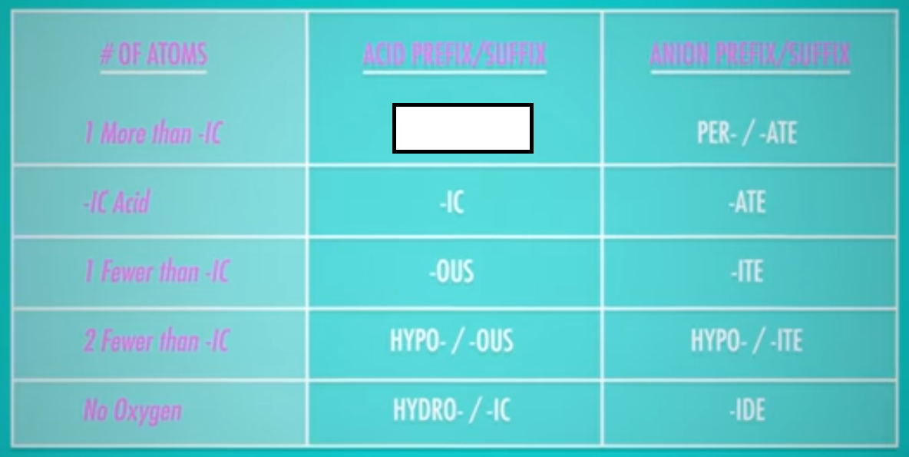
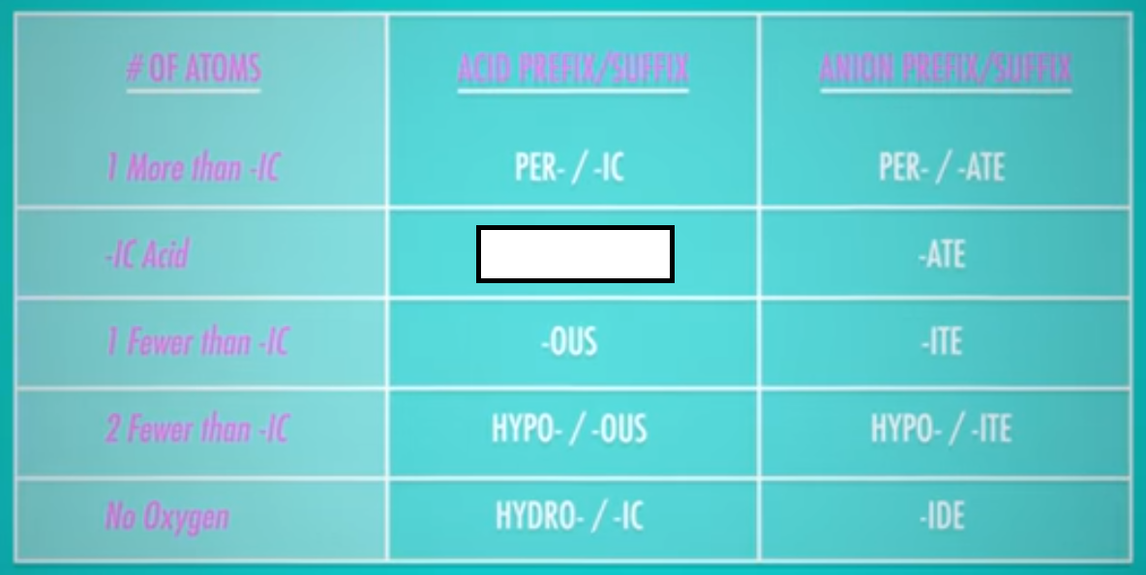
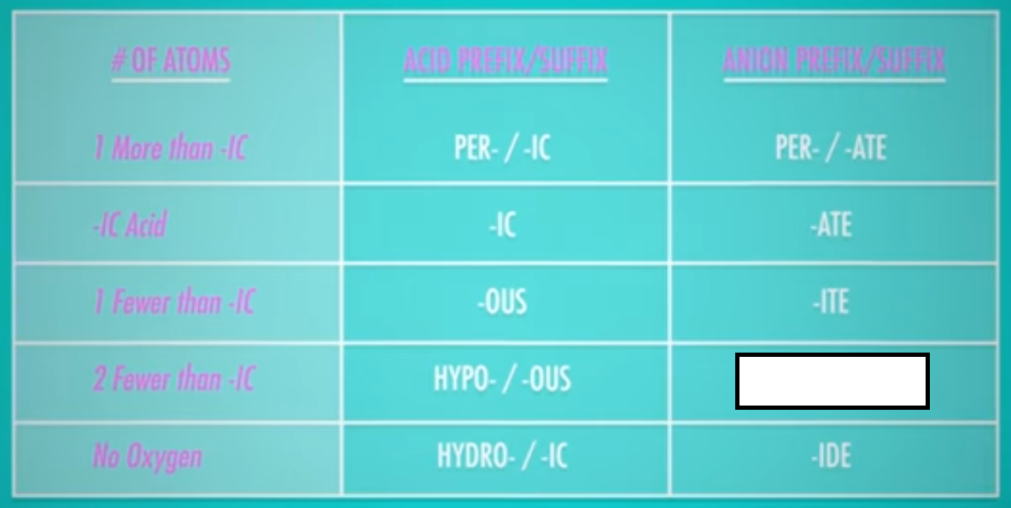
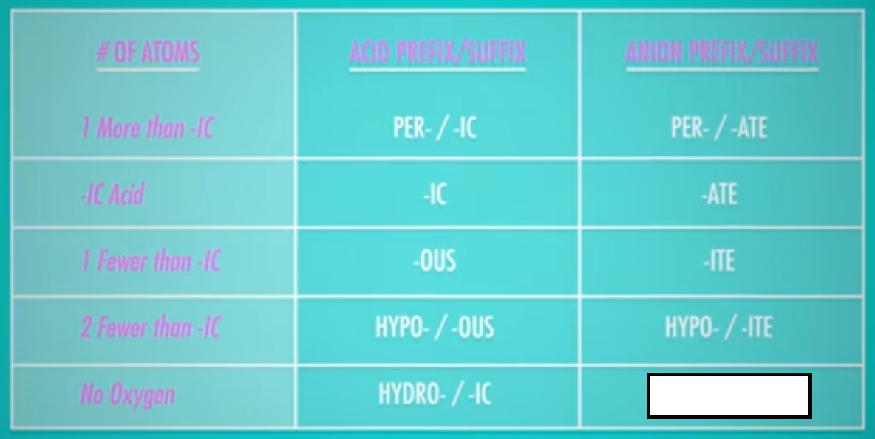
nr #20 | 21 | 0 | … free energy is the amount of energy in a system that is available to do useful work. | Gibbs
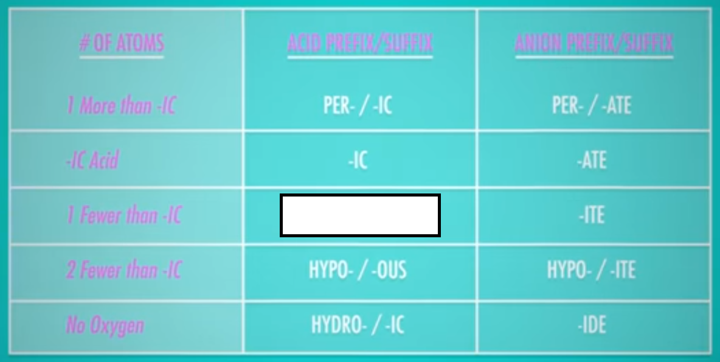
nr #20 | 22 | 0 | Gibbs free energy is the amount of energy in a system that is … to do useful work. | available
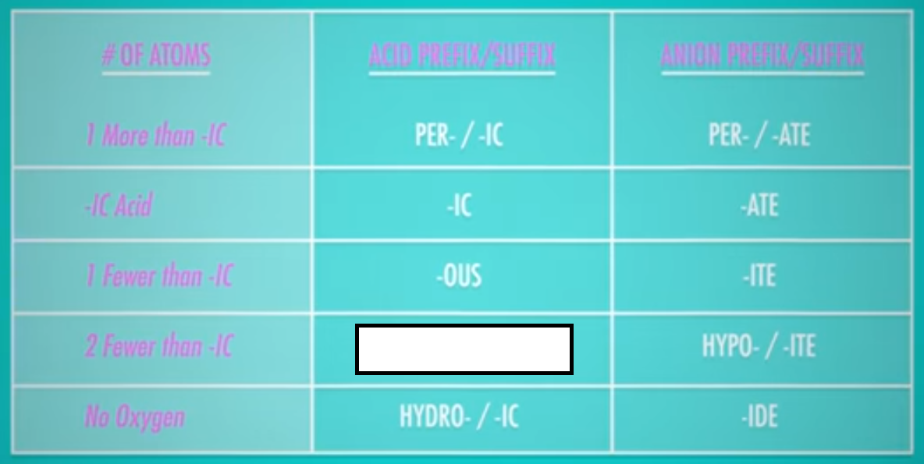
nr #20 | 23 | 0 | Gibbs free energy is the amount of energy in a system that is available to do useful …. | work
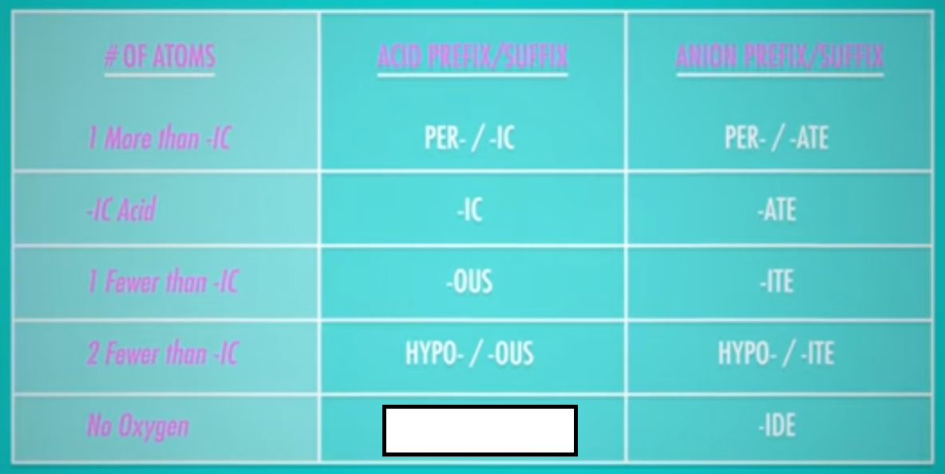
nr #20 | 24 | 0 | Gibbs i like enthalpy and entropy a … function. | state
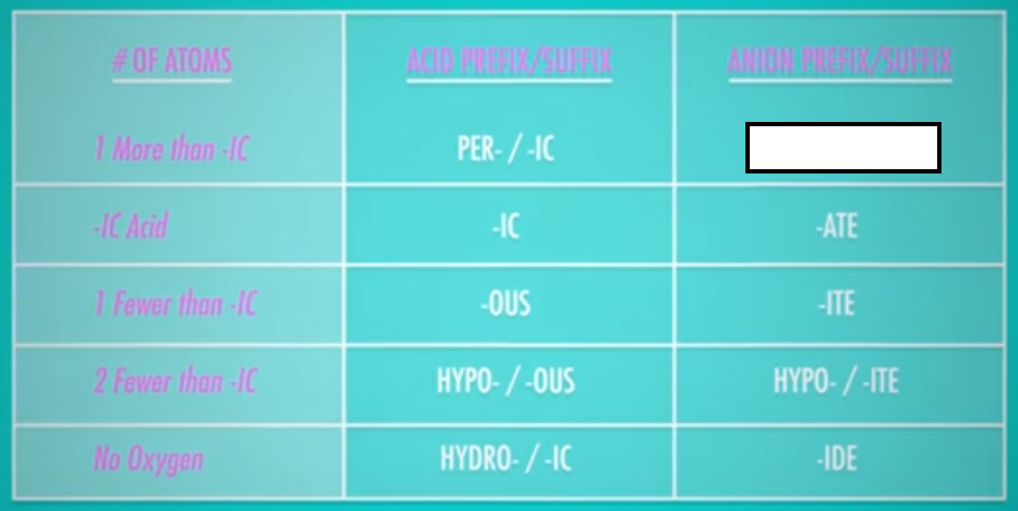
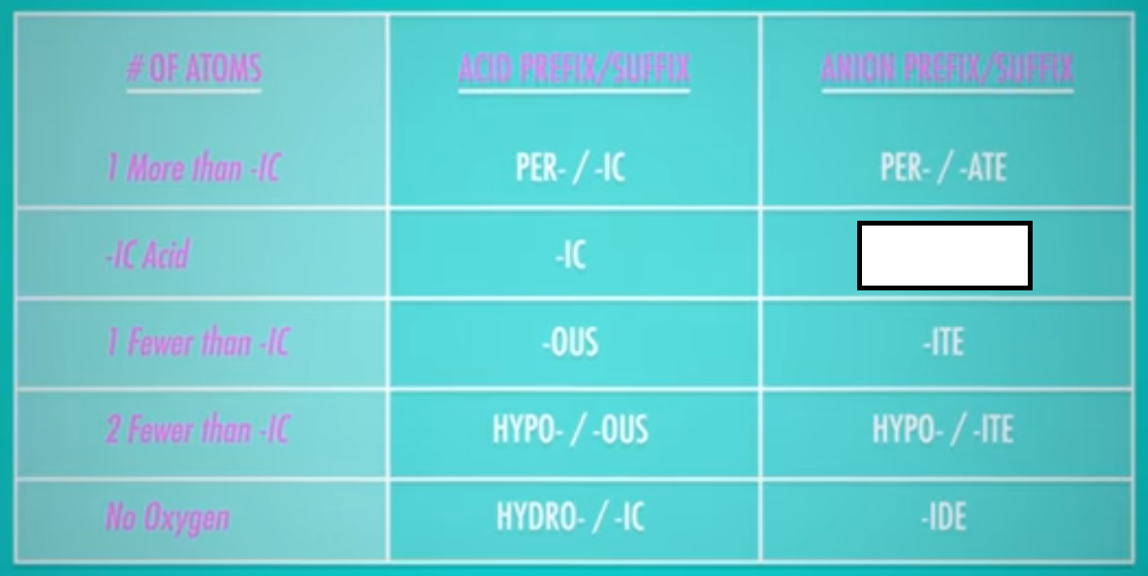
nr #20 | 25 | 0 | The symbol for Gibbs frree energy is …. | capital letter G
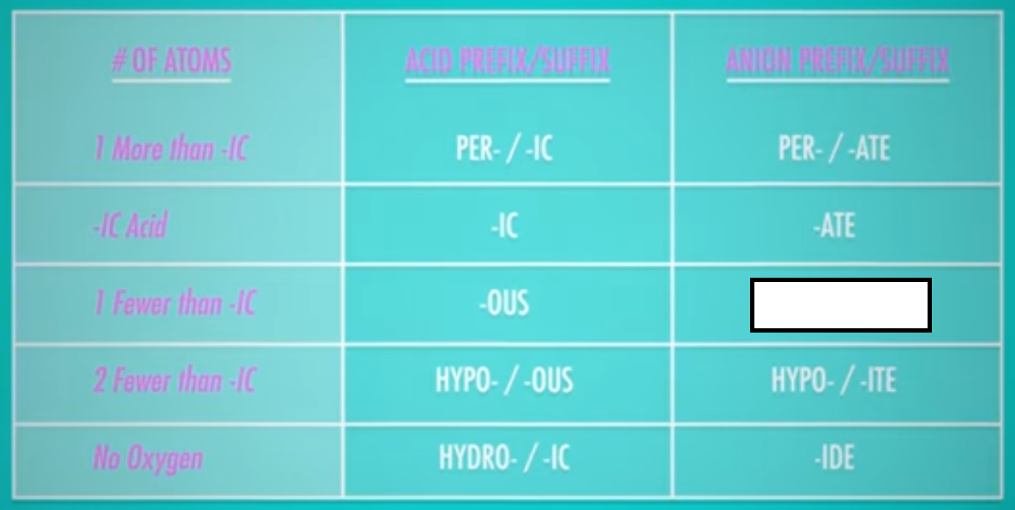
nr #20 | 26 | 1 | The equation for Gibbs free energy is ….
nr #20 | 27 | 1 | At constant pressure and temperature, the change in standard Gibbs free energy for a reaction equals the change in standard enthalpy … the product of temperature and change in standard entropy. | minus
nr #20 | 28 | 1 | At constant pressure and temperature, the change in standard Gibbs free energy for a reaction equals the change in standard … minus the product of temperature and change in standard entropy. | enthalpy
nr #20 | 29 | 1 | At constant pressure and temperature, the change in standard Gibbs free energy for a reaction equals the change in standard enthalpy minus the product of … and change in standard entropy. | temperature
nr #20 | 30 | 1 | The formula for Gibbs free energy at constant temperature and pressure is ….
nr #20 | 32 | 0 | The amount of free energy a reaction makes available to do work depends on … change and the entropy change. | enthalpy
nr #20 | 33 | 0 | The amount of free energy a reaction makes available to do work depends on enthalpy change and the … change. | entropy
nr #20 | 34 | 0 | A reaction is enthalpy-driven when ΔH…TΔS. | >
nr #20 | 35 | 0 | A reaction is entropy-driven when ΔH…TΔS. | <
nr #20 | 36 | 0 | A reaction is …-driven when the flow of thermal energy provides most of the free enegy in the reaction. | enthalpy
nr #20 | 37 | 0 | A reaction is enthalpy-driven when the flow of … energy provides most of the free enegy in the reaction. | thermal
nr #20 | 39 | 0 | A reaction is …-driven when the increasing disorder provides most of the reaction's free energy. | entropy
nr #20 | 40 | 0 | A reaction is entropy-driven when the increasing … provides most of the reaction's free energy. | disorder
nr #20 | 41 | 0 | A reaction is entropy-driven when the … disorder provides most of the reaction's free energy. | increasing
nr #20 | 42 | 0 | The … … … tells us if a reaction is spontaneous or not. | Gibbs free energy
nr #20 | 43 | 0 | A reaction is spotaneous when ΔG is …. | negative
nr #20 | 44 | 0 | A reaction is nonspontaneous when ΔG is …. | positive
nr #20 | 45 | 0 | A reaction is in equlibrium when ΔG is equal to …. | 0
nr #20 | 46 | 0 | A reaction is … when ΔG is negative | spontaneous
nr #20 | 47 | 0 | A reaction is … when ΔG is positive. | nonspontaneous
nr #20 | 48 | 0 | A reaction is in … when ΔG is 0. | equlibrium
nr #20 | 49 | 0 | The second law of thermodynamics says that any … process increases the disorder of the universe. | spotaneous
nr #21 | 0 | 0 | Lab Techniques & safety | answer | 45 | 40
nr #21 | 1 | 0 | The science of measuring the change in heat associated with a chemical reaction is called …. | calorimetry
nr #21 | 2 | 0 | You should tie up … hair in a lab. | long
nr #21 | 3 | 0 | Loose long hair can catch on … in the lab. | fire
nr #21 | 4 | 0 | You should not have … sleeves in a laboratory. | loose
nr #21 | 5 | 0 | When in the laboratory ,… should cover as much of you body as possible. | clothes
nr #21 | 6 | 0 | You should always wear …-… shoes in the lab. | closed-toe

nr #21 | 7 | 0 | … are the most vulnerable organ in the laboratory. | Eyes
nr #21 | 8 | 0 | Correction glasses … … count as eye protection. | do not
nr #21 | 9 | 0 | You should not wear … sleeves in a laboratory. | short
nr #21 | 10 | 0 | You should not eat or … in the lab. | drink
nr #21 | 11 | 0 | It is … to work when another person is in the lab. | advisable/safer
nr #21 | 12 | 0 | Name the diagram in the picture. | HazMat/Hazadrous Material diamond
nr #21 | 13 | 0 | The HazMat rating 0 means something is … to handle. | safe
nr #21 | 14 | 0 | The HazMat rating of 4 means something is very … to handle. | dangerous
nr #21 | 15 | 0 | The … color on the hazardous material diamond is the rating for health danger. | blue
nr #21 | 16 | 0 | The blue color on the hazardous material diamond is the rating for … danger. | health
nr #21 | 17 | 0 | The red color in the hazardous material diamond is the rating for …. | flammability
nr #21 | 18 | 0 | The … color on the hazardous material diamond is the rating for flammability. | red
nr #21 | 19 | 0 | The … color on the hazardous material diamond is the rating for chemical reactivity. | yellow
nr #21 | 20 | 0 | The yellow color on the hazardous material diamond is the rating for … …. | chemical reactivity
nr #21 | 21 | 0 | A HazMat 4 in flammability means something is both … and gaseous. | flammable
nr #21 | 22 | 0 | A HazMat 4 in reactivity means something can … at rom temperature. | explode
nr #21 | 23 | 0 | A laboratory material safety data sheet for every material is also called …. | MSDS
nr #21 | 24 | 0 | An … has all the information related to any chemical in the lab. | MSDS
nr #21 | 25 | 0 | The first aid treatment for injuries with a given chemical are given in the …. | MSDS
nr #21 | 26 | 0 | Chemistry involving noxious fumes should be carried out under a … …. | fume hood
nr #21 | 27 | 0 | It is important to keep the … at right level when using fume hoods. | sash
nr #21 | 28 | 0 | When smelling chemicals you should … them towards your face. | waft
nr #21 | 29 | 0 | You should never directly … a chemical from a container with your nose. | smell
nr #21 | 30 | 0 | Instead of pipetting with your … you should use a pipette pump. | mouth
nr #21 | 31 | 0 | When putting a glass pipette or a thermometer through a rubber tubing or a stopper, hold it close to an end that you you are pushing through to prevent its …. | breakage
nr #21 | 32 | 0 | Waste chemicals are disposed according to …. | instructions
nr #21 | 33 | 0 | Waste chemicals are often disposed in dedicated … …. | waste containers
nr #21 | 34 | 0 | It is best if you know how to dispose of a chemical … you start to use it. | before
nr #21 | 35 | 0 | Proper pouring of chemicals requires …. | commitment
nr #21 | 36 | 0 | A HazMat 4 in health means that certain kinds of exposure can … you. | kill
nr #21 | 37 | 0 | When pouring something out of a container you need to commit in order to break liquid's … …. | surface tension
nr #21 | 38 | 0 | You should not clean up broken glass with your …. | hands
nr #21 | 39 | 0 | Some chemicals need to be … before they are dumped in the sink. | diluted
nr #21 | 40 | 0 | If you spill something dangerous on yourself take off your clothes and get under the emergency …. | shower
nr #22 | 0 | 0 | Types of chemical bonds | answer | 80 | 40
nr #22 | 1 | 0 | Relationships between atoms are called …. | bonds
nr #22 | 2 | 0 | Each kind of atomic relationship requires a different type of …. | energy
nr #22 | 3 | 0 | A … is an insulated container that contains a thermometer. | calorimeter
nr #22 | 4 | 0 | Bonds between atoms depend on the … between them. | distance
nr #22 | 5 | 0 | Bonds between atoms depend on how … or … they are. | positive, negative
nr #22 | 6 | 0 | Atoms do whatever possible to reduce their overall …. | energy
nr #22 | 7 | 0 | Atoms reach their lowest energy by achieving a balance between … and … forces. | attractive and repulsive
nr #22 | 8 | 0 | The attraction of protons and electrons is called the … force. | electrostatic
nr #22 | 9 | 0 | The attraction between … and electrons is called the electrostatic force. | protons
nr #22 | 10 | 0 | The attraction between protons and … is called the electrostatic force. | electrons
nr #22 | 11 | 0 | In electrostatic interactions … charges attract. | opposite
nr #22 | 12 | 0 | In electrostatic interactions like charges …. | repel
nr #22 | 13 | 0 | In electrostatic interactions opposite charges …. | attract
nr #22 | 14 | 0 | In electrostatic interactions … charges repel. | like
nr #22 | 15 | 0 | The … length is the distance between two nuclei at the point of minimum energy. | bond
nr #22 | 16 | 0 | The bond length is the distance between two … at the point of minimum energy. | nuclei
nr #22 | 17 | 0 | The bond length is the distance between two nuclei at the point of minimum …. | energy
nr #22 | 18 | 0 | A bond where electrons are shared is called a … bond. | covalent
nr #22 | 19 | 0 | In a covalent bond electrons are …. | shared
nr #22 | 20 | 0 | Sharing of electrons occurs in a … bond. | covalent
nr #22 | 21 | 0 | The strength with which an atom holds shared electrons is called …. | electronegativity
nr #22 | 22 | 0 | Electronegativity determines the … of the hold on shared electrons. | strength
nr #22 | 23 | 0 | Electronegativity determines the strength of the hold on shared …. | electrons
nr #22 | 24 | 0 | … determines the strength of the hold on shared electrons. | Electronegativity
nr #22 | 25 | 0 | Electronegativity is the ability of an atom to … shared electrons. | attract
nr #22 | 26 | 0 | Polarity is the … of charges in a bond. | separation
nr #22 | 27 | 0 | Polarity results from differences in … of atoms in a molecule. | electronegativity
nr #22 | 28 | 0 | More electronegative atoms of a molecule have a slight … charge | negative
nr #22 | 29 | 0 | Less electronegative atoms of a molecule have a slight … charge. | positive
nr #22 | 30 | 0 | … covalent bonds occur between atoms with different electronegativities. | Polar
nr #22 | 31 | 0 | Polar covalent bonds occur between atoms with … electronegativities. | different
nr #22 | 32 | 0 | … covalent bonds result in a separation of charges. | Polar
nr #22 | 33 | 0 | Polar covalent bonds result in a … of charges. | separation
nr #22 | 34 | 0 | Polar covalent bonds result in a separation of …. | charges
nr #22 | 35 | 0 | Nonpolar covalent bonds occur between atoms with identical or very similar …. | electronegativities
nr #22 | 36 | 0 | … covalent bonds occur between atoms with identical or very similar electronegativities. | Nonpolar
nr #22 | 37 | 0 | In … covalent bonds charges are distributed evenly. | nonpolar
nr #22 | 38 | 0 | In nonpolar covalent bonds charges are distributed …. | evenly
nr #22 | 39 | 0 | … bonds tend to form from non-metals and sometimes metalloids. | Covalent
nr #22 | 40 | 0 | Covalent bonds tend to form from non-metals and sometimes …. | metalloids
nr #22 | 41 | 0 | Covalent bonds tend to form from …-… and sometimes metalloids. | non-metals
nr #22 | 42 | 0 | … bonds are formed by the transfer of electrons from one atom to another. | Ionic
nr #22 | 43 | 0 | Ionic bonds are formed by the transfer of … from one atom to another. | electrons
nr #22 | 44 | 0 | Ionic bonds are formed by the … of electrons from one atom to another. | transfer
nr #22 | 45 | 0 | … bonds are formed between a positive and negative ions. | Ionic
nr #22 | 46 | 0 | You can calculate ionic bond strength using the … law. | Coulomb's
nr #22 | 47 | 1 | … law says that the energy between two ions equals the product of the two charges, divided by the distance between the nuclei squared, and all multiplied by a constant. | Coulomb's
nr #22 | 48 | 1 | Coulomb's law says that the energy between two ions equals the … of the two charges, divided by the distance between the nuclei squared, and all multiplied by a constant. | product
nr #22 | 49 | 1 | Coulomb's law sasys that the energy between two ions equals the product of the two charges, … by the distance between the nuclei squared, and all multiplied by a constant. | divided
nr #22 | 50 | 0 | Ionic bonds are extremely …. | polar
nr #22 | 51 | 0 | Ionic bonds are much more polar than … … bonds. | polar covalent
nr #22 | 53 | 1 | Ionic compounds are often … in their solid form. | crystilline
nr #22 | 54 | 0 | Ionic compounds are generally soluble in …. | water
nr #22 | 55 | 0 | A water solution containing … allows it to conduct electricity. | ions
nr #22 | 56 | 1 | … compounds tend to be softer solids, liquids or gasses at room temperature. | Covalent
nr #22 | 57 | 0 | Covalent compounds are often not soluble in …. | water
nr #22 | 58 | 0 | … compounds' water solutions don't conduct electricity. | Covalent
nr #22 | 59 | 0 | If two atoms in a bond have different electronegativities, electrons are more attracted to the atom with … electronegativity. | higher
nr #23 | 0 | 0 | Polar & non-polar molecules | answer | 45 | 35
nr #23 | 1 | 0 | A … molecule has an asymmetrical electron distribution. | polar
nr #23 | 2 | 0 | A polar molecule has an … electron distribution. | asymmetrical
nr #23 | 3 | 0 | … increases in the periodic table from left to right | Electronegativity
nr #23 | 4 | 0 | Electronegativity … in the periodic table from left to right | increases
nr #23 | 5 | 0 | A calorimeter is an … container that contains a thermometer. | insulated
nr #23 | 6 | 0 | Electronegativity … in the periodic table from top to bottom. | decreases
nr #23 | 7 | 1 | An … number of protons may result in a shielding effect of other protons decreasing electronegativity. | increasing
nr #23 | 8 | 1 | An increasing number of protons may result in a … effect of other protons decreasing electronegativity. | shielding
nr #23 | 9 | 1 | An increasing number of protons may result in a shielding effect of other protons … electronegativity. | decreasing
nr #23 | 10 | 0 | An electronegativity difference of … or greater results in a polar molecule. | 0.5
nr #23 | 11 | 0 | An electronegativity difference of 0.5 or greater results in a … molecule. | polar
nr #23 | 12 | 0 | When the electronegativity difference is greater than … we end up with two ions in a molecule. | 1.6
nr #23 | 13 | 0 | When the electronegativity difference s greater than 1.6 we end up with two … in a molecule. | ions
nr #23 | 16 | 0 | A polar molecule has to have a … moment. | dipole
nr #23 | 17 | 0 | A dipole moment is the … of charge into different areas. | separation
nr #23 | 18 | 0 | A … moment is the separation of charge into different areas. | dipole
nr #23 | 19 | 0 | The dipole moment of a molecule is represented by an …. | arrow
nr #23 | 20 | 0 | The dipole moment arrow is drawn from a more … area towards a more … area. | positive; negative
nr #23 | 21 | 0 | Polar solvents are very good at dissolving solids composed of … or … compounds. | polar or ionic
nr #23 | 23 | 0 | … force is the action of like molecules sticking together by attracting each other. | Cohesive
nr #23 | 24 | 0 | Cohesive force is the action of … molecules sticking together by attracting each other. | like
nr #23 | 25 | 0 | Cohesive force is the action of like molecules sticking together by … each other. | attracting
nr #23 | 26 | 1 | The volume of ice is …% larger than the volume of water. | 10%
nr #23 | 27 | 0 | Water has its highest denesity at …°C. | 4°C
nr #23 | 28 | 1 | The change of water … is associated with the breaking and forming of hydrogen bonds. | temperature
nr #23 | 29 | 1 | The change of water temperature is associated with the breaking and forming of … bonds. | hydrogen
nr #23 | 30 | 1 | The … of water temperature is associated with the breaking and forming of hydrogen bonds. | change
nr #23 | 31 | 0 | … bonds in water result from the interaction of partially negative oxygen and positive hydrogens. | Hydrogen
nr #23 | 32 | 0 | Hydrogen bonds in water result from the interaction of partially negative ... and positive hydrogens. | oxygen
nr #23 | 33 | 0 | … molecules have both polar and non-polar characteristics. | Hybrid
nr #23 | 34 | 0 | Lipids have a … head and a non-polar tail. | polar
nr #23 | 35 | 0 | Lipids have a polar head and a …-… tail. | non-polar
nr #23 | 36 | 0 | Lipids have a polar … and a non-polar tail. | head
nr #23 | 37 | 0 | Lipids have a polar head and a non-polar …. | tail
nr #23 | 38 | 0 | Partial charges on atoms in polar molecules are designated by a Greek letter … with a "+" or "-" sign. | δ (lowercase Greek letter delta)
nr #23 | 39 | 1 | The volume of certain amounts of water and alcohol mixed together is … than the sum of the individual volumes of the liquids. | less
nr #23 | 40 | 1 | Surfactants found in the dish soap are an example of … molecules. | hybrid
nr #23 | 41 | 1 | … found in the dish soap are an example of hybrid molecules. | Surfactants
nr #23 | 42 | 0 | Electronegativity is related to the number of … in an atom. | protons
nr #24 | 0 | 0 | Bonding models and lewis structures | answer | 30 | 25
nr #24 | 1 | 0 | A … is anything that represents something else whether physical or conceptual. | model
nr #24 | 2 | 0 | Electrons are in constant … around nuclei. | motion
nr #24 | 3 | 0 | In a covalent bond, electrons spend most of their time … the nuclei. | between
nr #24 | 4 | 0 | A … structure is a two-dimensional model of a molecule showing its bonds and unbonded valence electrons. | Lewis
nr #24 | 5 | 0 | In a Lewis structure, a covalent bond is represented as a … …. | straight line
nr #24 | 6 | 0 | A calorimeter is an insulated container that contains a …. | thermometer
nr #24 | 7 | 0 | Dots in a Lewis structure are … … electrons. | unbonded valence
nr #24 | 8 | 0 | A straight line in Lewis structure is a … …. | covalent bond
nr #24 | 9 | 0 | The … rule states that atoms are most stable when their outermost shells are filled. | octet
nr #24 | 10 | 0 | The octet rule staights that atoms are most ... when their outermost shells are filled. | stable
nr #24 | 11 | 0 | The octet rule staights that atoms are most stable when their ... shells are filled. | outermost
nr #24 | 12 | 0 | Many atoms require ... atoms to fill their outermost shells. | eight
nr #24 | 13 | 0 | A … bond is a bond in which two pairs of electrons are shared by a pair of atoms. | double
nr #24 | 14 | 0 | A double bond is a bond in which … pairs of electrons are shared by a pair of atoms. | two
nr #24 | 15 | 0 | A double bond is a bond in which two pairs of electrons are shared by a … of atoms. | pair
nr #24 | 16 | 0 | A … bond shares three pairs of electrons between a pair of atoms. | triple
nr #24 | 17 | 0 | A triple bond shares … pairs of electrons between a pair of atoms. | three
nr #24 | 18 | 0 | A triple bond shares three pairs of electrons between a … of atoms. | pair
nr #24 | 19 | 0 | The maximum number of a covalent bonds is …. | 3
nr #24 | 20 | 1 | In … mechanics light and electrons are both particles and waves of energy. | quantum
nr #24 | 21 | 1 | In quantum mechanics … and electrons are both particles and waves of energy. | light
nr #24 | 22 | 1 | In quantum mechanics light and electrons are both particles and … of energy. | waves
nr #24 | 23 | 0 | In a Lewis structure, pairs of electrons that are bonded to just one atom are known as … pairs. | lone
nr #24 | 24 | 1 | Linus … came up with the bonding model that we know today. | Pauling
nr #24 | 25 | 0 | In Pauling's model, bonds are represented as an … of atoms' individual electron clouds. | overlap
nr #24 | 26 | 0 | Unbonded valence electrons in a Lewis structure are shown as …. | dots
nr #25 | 0 | 0 | Orbitals | answer | 120 | 50
nr #25 | 1 | 0 | Bonds form from … electron clouds, flowing around nuclei of bonded atoms. | overlapping
nr #25 | 2 | 0 | Bonds form from overlapping electron …, flowing around nuclei of bonded atoms. | clouds
nr #25 | 3 | 0 | Bonds form from overlapping electron clouds, flowing … nuclei of bonded atoms. | around
nr #25 | 4 | 0 | Electron … are the space of probable electron locations. | clouds
nr #25 | 5 | 0 | Electron clouds are the space of … electron locations. | probable
nr #25 | 6 | 0 | Electron clouds are the … of probable electron locations. | space
nr #25 | 7 | 0 | Electrons are both … and waves. | particles
nr #25 | 8 | 0 | Electrons are both particles and …. | waves
nr #25 | 9 | 1 | When energy is dumped into an electron field, electrons exist inside a … function. | wave
nr #25 | 10 | 0 | A … … is a mathematical function describing the probability of an electron being in a certain place at any given moment. | wave function
nr #25 | 11 | 0 | A wave function is a mathematical function describing the … of an electron being in a certain place at any given moment. | probability
nr #25 | 13 | 0 | A wave function is a mathematical function describing the probability of an electron being in a certain place at any given …. | moment
nr #25 | 14 | 0 | Electrons exist as an excitation in the electron field around the … in a standing wave. | nucleus
nr #25 | 15 | 0 | Electrons exist as an excitation in the electron field around the nucleus in a … wave. | standing
nr #25 | 16 | 0 | Electrons exist as an … in the electron field around the nucleus in a standing wave. | excitation
nr #25 | 17 | 0 | The simplest wave function is the … orbital. | s
nr #25 | 18 | 0 | The … orbital is a spherical pattern of standing waves around the nucleus. | s
nr #25 | 19 | 0 | The s orbital is a … pattern of standing waves around the nucleus. | spherical
nr #25 | 20 | 0 | The s orbital is a spherical pattern of ... waves around the nucleus. | standing
nr #25 | 21 | 0 | Every s orbital can contain a maximum of … electrons. | 2
nr #25 | 22 | 0 | Every s oribital is at its lowest energy when it contains … electrons. | 2
nr #25 | 23 | 0 | The sorbital is followed by the … orbital. | p
nr #25 | 24 | 0 | There are … axes to the p orbital. | 3
nr #25 | 25 | 0 | Each axis of the p orbital can contain … electrons. | 2
nr #25 | 26 | 0 | The p orbital can contain a maximum of … electrons. | 6
nr #25 | 27 | 0 | The second shell contains orbitals 2s and …. | 2p
nr #25 | 28 | 0 | The maximum number of possible electrons on the second shell is …. | 8
nr #25 | 29 | 0 | Each electron shell is composed of one or more subshells called atomic …. | orbitals
nr #25 | 30 | 0 | The periodic table is a map to how atoms fill their …. | orbitals
nr #25 | 31 | 0 | The s and p orbitals can merge into a hybrid … orbital. | sp
nr #25 | 32 | 0 | When orbitals merge and try not to interact it is called orbital …. | hybridization
nr #25 | 33 | 0 | The sp3 hybridization forms a … shape. | tetrahedral
nr #25 | 34 | 0 | When the sorbital interacts with all three p orbitals it is called the … hybridization. | sp3
nr #25 | 35 | 0 | The shape of water molecules is the result of … hybridization of oxygen atoms. | sp3
nr #25 | 36 | 1 | When a molecule forms a double bond it only hybridizes … (number) p orbitals with s orbital. | two
nr #25 | 37 | 1 | When a molecule forms a double bond it forms 3 hybridized … orbitals with one unhybridized p orbital sticking up from the center. | sp2
nr #25 | 38 | 1 | When a molecule forms a double bond it forms 3 hybridized sp2 orbitals with one … porbital sticking up from the center. | unhybridized
nr #25 | 39 | 0 | The sp2 orbitals in a double bonded molecule form a … plane. | trigonal
nr #25 | 40 | 1 | A trigonal plane has each sp2 orbital …° away from each other. | 120°
nr #25 | 41 | 0 | One of two bonds in a double bond has … orbitals merging together in line with the nuclei, this is called the sigma bond. | sp2
nr #25 | 42 | 0 | One of two bonds in a double bond has sp2 orbitals merging together in line with the …, this is called the sigma bond. | nuclei
nr #25 | 43 | 0 | One of two bonds in a double bond has sp2 orbitals merging together in line with the nuclei, this is called the … bond. | sigma (σ)
nr #25 | 44 | 0 | One of two bonds in a double bond forms from the unhybridized … orbital sticking out above and below the nucleus. | p
nr #25 | 45 | 0 | One of two bonds in a double bond forms from the unhybridized p orbital sticking out … and … the nucleus. | above and below
nr #25 | 46 | 0 | In a double bond the unhybridized p orbitals merge to form a … bond. | pi (π)
nr #25 | 47 | 0 | In a triple bond two … bonds are formed. | pi
nr #25 | 48 | 0 | In a triple bond there is only one … bond. | sigma
nr #25 | 49 | 0 | … configurations determine the shape of molecules which influences their properties. | Orbital
nr #25 | 50 | 0 | Orbital configurations determine the … of molecules which influences their properties. | shape
nr #25 | 51 | 0 | Orbital configurations determine the shape of molecules which influences their …. | properties
nr #25 | 52 | 0 | d and f orbitals can hybridize with … hybridized orbitals and with each other forming more complex geometries. | sp
nr #25 | 53 | 0 | … and … orbitals can hybridize with sp hybridized orbitals and with each other forming more complex geometries. | d and f
nr #25 | 54 | 1 | d2sp3 hybridized orbital has an … shape. | octahedral
nr #25 | 55 | 1 | The formula allowing to calculate the heat change of a reaction in a calorimeter is …. | ΔH=smΔT
nr #26 | 0 | 0 | Liquids | answer | 60 | 40
nr #26 | 1 | 1 | The only 2 elements that are liquid at room temperature are … and …. | bromine (Br) and mercury (Hg)
nr #26 | 2 | 0 | Every … has a temperature and pressure at which it becomes liquid. | element
nr #26 | 3 | 0 | Molecules and atoms … with each other within substances. | interact
nr #26 | 4 | 0 | … forces are attractive forces between separate molecules. | Intermolecular
nr #26 | 5 | 0 | Intermoleclular forces are … forces between separate molecules. | attractive
nr #26 | 7 | 0 | Intermolecular forces are … than ionic or covalent bonds. | weaker
nr #26 | 8 | 0 | The symbol … denotes the specific heat capacity of a substance. | s (lowercase)
nr #26 | 9 | 0 | … … forces are attractions between temporary regions of high and low electron density in noble gases and nonpolar molecules. | London dispersion
nr #26 | 10 | 0 | London dispersion forces are attractions between temporary regions of high and low electron … in noble gases and nonpolar molecules. | density
nr #26 | 11 | 0 | … … forces occur in noble gases and nonpolar molecules. | London dispersion
nr #26 | 12 | 1 | London dispersion forces occur in … gases and nonpolar molecules. | noble
nr #26 | 13 | 1 | London dispersion forces occur in noble gases and … molecules. | nonpolar
nr #26 | 14 | 1 | London dispersion forces are the … of the intermolecular forces. | weakest
nr #26 | 15 | 1 | London dispersion forces allow …-… substances to condense from gas into liquids. | non-polar
nr #26 | 16 | 1 | London dispersion forces allow non-polar substances to condense from gas into …. | liquids
nr #26 | 17 | 1 | London dispersion forces allow non-polar substances to … from gas into liquids. | condense
nr #26 | 18 | 0 | …-… forces are attraction between the opposite partial charges in polar molecules. | Dipole-dipole
nr #26 | 19 | 0 | Dipole-dipole forces are attraction between the … partial charges in polar molecules. | opposite
nr #26 | 20 | 0 | Dipole-dipole forces are attraction between the opposite partial charges in … molecules. | polar
nr #26 | 21 | 0 | Hydrogen bonding is a special type of …-… force. | dipole-dipole
nr #26 | 22 | 0 | Hydrogen bonding is a dipole-dipole interaction between … and strongly electronegative elements in polar molecules. | hydrogen
nr #26 | 23 | 0 | Hydrogen bonding is a dipole-dipole interaction between hydrogen and strongly … elements in polar molecules. | electronegative
nr #26 | 24 | 0 | Hydrogen bonding is a dipole-dipole interaction between hydrogen and strongly electronegative elements in … molecules. | polar
nr #26 | 25 | 0 | Hydrogen bonding elements include …, oxygen, and fluorine. | nitrogen
nr #26 | 26 | 0 | Hydrogen bonding elements include nitrogen, …, and fluorine. | oxygen
nr #26 | 27 | 0 | Hydrogen bonds are called bonds due to the extremely strong … interactions between molecules. | dipole
nr #26 | 28 | 0 | Hydrogen bonds are the strongest interactions that occurs between …. | molecules
nr #26 | 29 | 0 | The strongest interactions between molecules are … …. | hydrogen bonds
nr #26 | 30 | 0 | Condensed states include … and solids. | liquids
nr #26 | 31 | 0 | Condensed states include liquids and …. | solids
nr #26 | 32 | 0 | … states include liquids and solids. | Condensed
nr #26 | 33 | 0 | When molecules of a substance break free of a liquid's surface they become a …. | gas
nr #26 | 34 | 0 | Gases also experience … forces. | Intermolecular
nr #26 | 35 | 0 | Intermolecular forces in gases are …. | weak
nr #26 | 36 | 0 | Due to the large distances between gas particles, gases have low density and are highly …. | compressible
nr #26 | 37 | 0 | Particles in solids are very close together, have high density, and can be … only slightly. | compressed
nr #26 | 38 | 0 | Liquids are in between gases and solids, but have more similar to …. | solids
nr #26 | 39 | 0 | Cohesive forces in liquids merge them into the most … shape possible. | compact
nr #26 | 40 | 0 | … … is the tendency of liquids to minimize their surface area due to intermolecular forces. | Surface tension
nr #26 | 41 | 0 | Surface tension is the tendency of … to minimize their surface area due to intermolecular forces. | liquids
nr #26 | 42 | 0 | Surface tension is the tendency of liquids to … their surface area due to intermolecular forces. | minimize
nr #26 | 43 | 0 | … is the resistance to flow. | Viscosity
nr #26 | 44 | 0 | Viscosity is the … to flow. | resistance
nr #26 | 45 | 0 | Viscosity is the resistance to …. | flow
nr #26 | 46 | 0 | … action is the spontaneous rising of a liquid in a narrow tube due to cohesion and adhesion. | Capillary
nr #26 | 47 | 0 | Capillary action is the spontaneous rising of a … In a narrow tube due to cohesion and adhesion. | liquid
nr #26 | 48 | 0 | Capillary action is the spontaneous rising of a liquid in a narrow tube due to … and …. | cohesion and adhesion
nr #26 | 49 | 0 | … is the attraction of molecules in a liquid to their container due to intermolecular forces. | Adhesion
nr #26 | 50 | 0 | Adhesion is the attraction of molecules in a liquid to their … due to intermolecular forces. | container
nr #26 | 51 | 0 | Adhesion is the … of molecules in a liquid to their container due to intermolecular forces. | attraction
nr #26 | 52 | 1 | When liquid molecules are more attracted to the container they will form a ... meniscus. | concave
nr #26 | 54 | 1 | When moleclues in a liquid are attracted more to each other than the container they will form a … meniscus. | convex
nr #26 | 55 | 0 | … is the attraction of molecules in a liquid to each other due to intermolecular forces. | Cohesion
nr #27 | 0 | 0 | Solutions | answer | 70 | 50
nr #27 | 1 | 0 | Air is a mixture of gases called a …. | solution
nr #27 | 2 | 0 | A … is a mixutre in which the particles of a solute are dissolved in the particles of a solvent. | solution
nr #27 | 3 | 0 | A solution is a mixutre in which the particles of a … are dissolved in the particles of a solvent. | solute
nr #27 | 4 | 0 | A solution is a mixutre in which the particles of a solute are dissolved in the particles of a …. | solvent
nr #27 | 5 | 0 | A … is the substance that is dissolved. | solute
nr #27 | 6 | 0 | A solute is the substance that is …. | dissolved
nr #27 | 7 | 0 | A … is the substance that does the dissolving. | solvent
nr #27 | 8 | 0 | A solvent is the substance that does the …. | dissolving
nr #27 | 9 | 0 | The … … … is the amount of heat required to raise the temperature of one mass unit of a substance by 1°C. | specific heat capacity
nr #27 | 10 | 0 | The qualities of solutions depend on … structure, pressure and temperature. | molecular
...
Film | Column1 | Column12 | Column2 | Column3 | Column4 | Column5 | Column6 | Column7
nr #27 | 37 | 0 | Polarity determines the … of a molecule in a solvent. | solubility
nr #27 | 38 | 0 | For a substance to dissolve, it needs to … favorably with the solvent. | interact
nr #27 | 39 | 0 | For a substance to dissolve, it needs to interact favorably with the …. | solvent
nr #27 | 40 | 0 | … pressure is the portion of a pressure caused by a gas being dissolved. | Partial
nr #27 | 41 | 0 | Partial pressure is the portion of a pressure caused by a … being dissolved. | gas
nr #27 | 42 | 0 | Partial pressure is the portion of a pressure caused by a gas being …. | dissolved
nr #27 | 43 | 0 | Gases can be dissolved in … under pressure. | liquids
nr #27 | 44 | 0 | Gases can be dissolved in liquids under …. | pressure
nr #27 | 45 | 0 | … law states that the amount of dissolved gas is proportional to its partial pressure in the gas phase. | Henry's
nr #27 | 46 | 0 | Henry's law states that the amount of dissolved gas is proportipnal to its partial pressure in the … phase. | gas
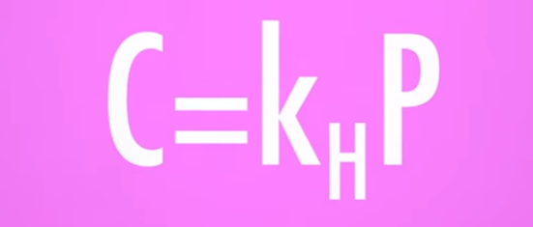
nr #27 | 47 | 0 | … law constant expresses the solubility of a gas in a given solution. | Henry's
nr #27 | 48 | 0 | Henry's law constant expresses the … of a gas in a given solution. | solubility
nr #27 | 49 | 0 | … solute's solubility generally increases with temperature. | Solid
nr #27 | 50 | 0 | Solid solute's solubility generally … with temperature. | increases
nr #27 | 51 | 0 | Solid solute's solubility generally increases with …. | temperature
nr #27 | 52 | 0 | The … of gases increases as the temperature decreases. | solubility
nr #27 | 53 | 0 | The solubility of … increases as the temperature decreases. | gases
nr #27 | 54 | 0 | The solubility of gases increases as the temperature …. | decreases
nr #27 | 55 | 1 | Give the formula of Henry's law.
nr #27 | 56 | 0 | The qualities of solutions depend on … (number) properties. | 3
nr #28 | 0 | 0 | Equilibrium | answer | 50 | 35
nr #28 | 1 | 0 | Equilibrium is the scientific term for …. | balance
nr #28 | 2 | 0 | When reactants react to form products such a reaction is called a … reaction. | forward
nr #28 | 3 | 0 | The reaction occurring from products to reactants is called a … reaction. | reverse
nr #28 | 4 | 0 | Reactions are reversible when they can go forward or backward without any extra … being used. | energy
nr #28 | 5 | 0 | … equilibrium occurs when both the forward and reverse reactions proceed at excatly the same rate. | Chemical
nr #28 | 6 | 0 | Chemical ... occurs when both the forward and reverse reactions proceed at excatly the same rate. | equilibrium
nr #28 | 7 | 0 | Chemical equilibrium occurs when both the forward and reverse reactions proceed at excatly the same …. | rate
nr #28 | 8 | 0 | An … state is when a reaction's forward progress is perfectly balanced with the reverse process. | equilibrium
...
Film | Column1 | Column12 | Column2 | Column3 | Column4 | Column5 | Column6 | Column7
nr #28 | 27 | 0 | … ... principle states that a system in equilibrium will proceed in a direction that minimizes stress. | Le Chatelier's
nr #28 | 31 | 0 | … reactions proceed to the right at higher temperatures. | Endothermic
nr #28 | 32 | 0 | Endothermic reactions proceed to the right at … temperatures. | higher
nr #28 | 33 | 0 | Endothermic reactions proceed to the … at higher temperatures. | right
nr #28 | 34 | 0 | … reactions proceed to the right at lower temperatures. | Exothermic
nr #28 | 35 | 0 | Exothermic reactions proceed to the … at lower temperatures. | right
nr #28 | 36 | 0 | Exothermic reactions proceed right at … temperatures. | lower
nr #29 | 0 | 0 | Equilibrium equations | answer | 40 | 30
nr #29 | 1 | 0 | The … constant is a molar ratio of products over reactants at equilibrium. | equilibrium
nr #29 | 2 | 0 | The equilibrium constant is a molar ratio of … over reactants at equilibrium. | products
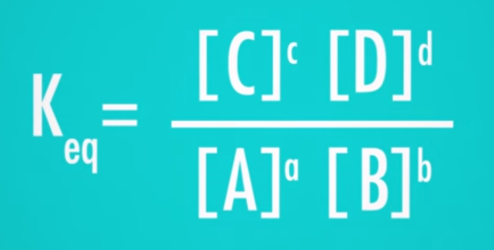
nr #29 | 3 | 0 | The equilibrium constant is a … ratio of products over reactants at equilibrium. | molar
nr #29 | 4 | 0 | The equilibrium constant is unique for every …. | reaction
nr #29 | 5 | 0 | The symbol for the equilibrium constant is …. | Keq
nr #29 | 6 | 1 | What is the equilibrium constant equation? | see fig
nr #29 | 7 | 1 | Coefficients in the reaction become … in the equation for equilibrium constant. | exponents
nr #29 | 8 | 0 | … brackets are used by chemists to represent molar concentration. | Square
nr #29 | 9 | 0 | Square … are used by chemists to represent molar concentration. | brackets
nr #29 | 10 | 0 | Square brackets are used by chemist to represent … concentration. | molar
nr #29 | 11 | 0 | The specific heat capacity is the amount of heat required to raise the temperature of one mass unit of a substance by …. | 1°C
nr #29 | 12 | 0 | Constants are normally calculated for … degrees Celsius. | 25
nr #29 | 13 | 0 | RICE stands for …, Initial, Change and Equilibrium. | Reaction
nr #29 | 14 | 0 | RICE stands for Reaction, …, Change and Equilibrium. | Initial
nr #29 | 15 | 0 | RICE stands for Reaction, Initial, … and Equilibrium. | Change
nr #29 | 16 | 0 | A … table is used to calculate how much of each substance is present at equilibrium. | RICE
nr #29 | 17 | 0 | A RICE table is used to calculate how much of each … is present at equilibrium. | substance
nr #29 | 18 | 0 | A RICE table is used to … how much of each substance is present at equilibrium. | calculate
nr #29 | 19 | 0 | The … (letter) line in RICE table is for the chemical equation of the reaction. | R
nr #29 | 20 | 0 | The R line in RICE table is for the chemical … of the reaction. | equation
...
Film | Column1 | Column12 | Column2 | Column3 | Column4 | Column5 | Column6 | Column7
nr #40 | 1 | 0 | Carbon compounds are also called … compounds | organic
nr #40 | 2 | 0 | The branch of chemistry dealing with carbon compounds is called … chemstry. | organic
nr #40 | 3 | 0 | Carbon is in group … on the periodic table. | 14
nr #40 | 4 | 0 | Carbon has … valence electrons. | 4
nr #40 | 5 | 0 | The simplest organic molecules are …. | hydrocarbons
nr #40 | 6 | 0 | Pure … contain only carbon and hydrogen. | hydrocarbons
nr #40 | 7 | 0 | Pure hydrocarbons contain only … and hydrogen. | carbon
nr #40 | 8 | 0 | Pure hydrocarbons contain only carbon and …. | hydrogen
nr #40 | 9 | 0 | Full or … hydrocarbons have no double or triple bonds. | saturated
nr #40 | 10 | 0 | Fully saturated hydrocarbons are called …. | alkanes
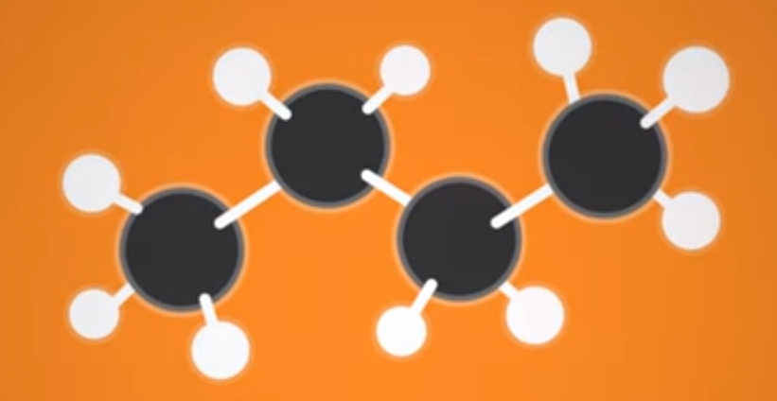
nr #40 | 11 | 0 | The simplest alkane is …, or CH4. | methane
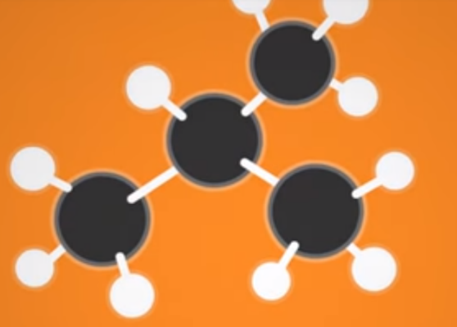
nr #40 | 12 | 0 | Methane has a chemical formula of …. | CH4
nr #40 | 13 | 0 | The second simplest alkane contains … carbons. | 2
nr #40 | 14 | 0 | The 2 carbon alkane is called …. | ethane
nr #40 | 15 | 0 | Ethane has the chemical formula …. | C2H6
nr #40 | 16 | 0 | The alkane with the chemical formula C3H8 is called …. | propane
nr #40 | 17 | 0 | Butane has a chemical formula …. | C4H10
nr #40 | 18 | 1 | Name the alkane shown. | n-butane (normal butane)
nr #40 | 19 | 1 | Name the alkane shown. | i-butane (iso-butane)
nr #40 | 21 | 0 | … are molecules that have the same molecular formula but different structures. | Isomers
nr #40 | 22 | 0 | Isomers are molecules that have the same molecular formula but different …. | structures
nr #40 | 23 | 0 | Molecules with with the same formula can form different …. | structures
nr #40 | 24 | 0 | The difference in molecular structure changes the molecule's …. | properties
nr #40 | 25 | 0 | The larger and more complex alkanes are, the more … their molecules can pack together. | densely
nr #40 | 26 | 0 | Alkanes with … to … chains of carbon are liquids at room temperature. | 5 to 18
nr #40 | 27 | 0 | Alkanes with 5 to 18 chains of carbon are … (state) at room temperature. | liquid
nr #40 | 28 | 0 | Alkanes with more than … carbon chains are solids at room temperature. | 18
nr #40 | 29 | 0 | Alkanes with more than 18 carbon chains are … (state) at room temperature. | solids
nr #40 | 30 | 1 | The prefix "meth-" means … carbon atom. | one
nr #40 | 31 | 1 | The prefix "eth-" means … carbon atoms. | two
nr #40 | 32 | 1 | The prefix "prop-" means … carbon atoms. | three
 |  | 1 | The prefix "but-" means …carbon atoms. | four
...
Film | Column1 | Column12 | Column2 | Column3 | Column4 | Column5 | Column6 | Column7
nr #5 | 35 | 0 | The octet rule describes the preference of lighter elements for 8 electrons in their … shell. | outer
nr #5 | 36 | 0 | The octet rule describes the preference of lighter elements for … electrons in their outer shell. | 8
nr #5 | 37 | 0 | Electron … describe the distribution of electrons in an atom. | configurations
nr #5 | 38 | 1 | Electron configurations are written in the following order: number of the …, letter of the orbital, number of electrons in that orbital. | shell
nr #5 | 39 | 1 | Electron configurations are written in the following order: number of the shell, letter of the …, number of electrons in that orbital. | orbital
nr #5 | 40 | 1 | Electron configurations are written in the following order: number of the shell, letter of the orbital, number of electrons in that …. | orbital
nr #5 | 41 | 0 | The third kind of orbital is designated by the letter …. | d
nr #5 | 42 | 0 | The d orbital can contain a total of … electrons. | 10
nr #5 | 43 | 0 | The d orbital has … different configurations. | 5
nr #5 | 44 | 1 | Name the configurations of the dorbital. | dxz, dyz, dxy, dx2-dy2, dz2
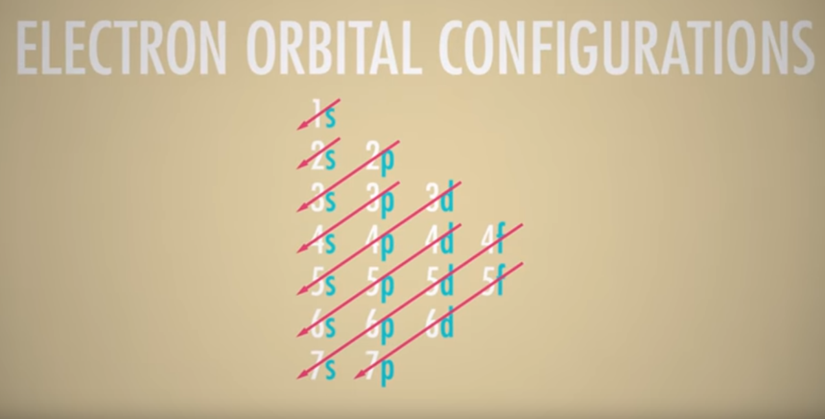
nr #5 | 49 | 0 | Before filling the last two electrons of the d orbital two electrons go the … shell. | fourth
nr #5 | 50 | 0 | Before filling the last two electrons of the d-orbital two electrons go the … orbital. | 4s
nr #5 | 51 | 0 | The 4sorbital is filled before the … orbital. | 3d
nr #5 | 52 | 0 | The 4s orbital is filled first because it is more … favorable than the 3d orbital. | energetically
nr #5 | 53 | 1 | What is the order of filling the orbitals? | as in the picture
nr #5 | 54 | 0 | The … and … orbitals do not need to be as fully filled as the s and p orbitals which shield them. | d and f
nr #5 | 55 | 0 | The d and f orbitals do not need to be as fully filled as the … and … orbitals which shield them. | sand p
nr #5 | 58 | 0 | The energy required to … an electron from an atom is called the ionization energy. | remove
nr #5 | 59 | 0 | The energy required to remove an … from an atom is called the ionization energy. | electron
nr #5 | 60 | 0 | The energy required to remove an electron from an atom is called the … energy. | ionization
nr #5 | 61 | 0 | Electrons are removed starting from the one with the … energy level. | highest
nr #5 | 62 | 0 | The … electron has the highest energy. | outermost
nr #5 | 63 | 1 | The removal of the outermost shell leaves the next shell isoelectrically analogous to the shell of a … …. | noble gas
nr #5 | 64 | 0 | The removal of electrons from the second outermost shell requires a significant amount of …. | energy
nr #5 | 65 | 0 | Atoms are … the same when they have the same number of electrons. | isoelectrically
nr #5 | 66 | 0 | Atoms are isoelectrically the same when they have the same number of …. | electrons
nr #5 | 67 | 0 | … … is the energy required to add an electron to an atom. | Electron affinity
nr #5 | 68 | 0 | Electron affinity is the energy required to … an electron to an atom. | add
nr #5 | 69 | 0 | The periodic table groups atoms also according to their electron … types. | orbital
nr #5 | 70 | 0 | In order for an … to exist, there has to be an excitation of the electron field. | electron
nr #5 | 71 | 0 | In order for an electron to exist, there has to be an … of the electron field. | excitation
nr #5 | 72 | 0 | Excitations of the electron field can be described as …. | waves
nr #5 | 74 | 1 | At any given moment, the electron can be … within the function of the wave. | anywhere
nr #5 | 75 | 1 | At any given moment, the electron can be anywhere within the … of the wave. | function
nr #5 | 76 | 1 | The waves of an electron field are not defined by finite boundries, but vary in … in different areas. | strength
nr #5 | 77 | 0 | The strength of an electron field wave at a certain point in space determines the probability of finding an …. | electron
...

